B4
Story | Beam | Unique Name | Output Case | Case Type | Step Type | Station | P | V2 | V3 | T | M2 | M3 | Element | Elem Station | Location
 |  |  |  |  |  | m | tonf | tonf | tonf | tonf-m | tonf-m | tonf-m |  | m
-1 | B4 | 4 | PP | LinStatic | 0 | 0 | 0 | -0.9952 | 0 | 0 | 0 | 0 | 46026 | 0 | 0 | Mmax | 7.1124 | tonfm |  | Ni | Ni+1
-1 | B4 | 4 | PP | LinStatic | 0 | 0.4575 | 0 | -0.8523 | 0 | 0 | 0 | 0.4226 | 46026 | 0.4575 | 0 | Mmin | -11.0976 | tonfm |  | rot | emp |  | fc | 35 | 0.85
-1 | B4 | 4 | PP | LinStatic | 0 | 0.915 | 0 | -0.7093 | 0 | 0 | 0 | 0.7798 | 46026 | 0.915 | 0 |  |  |  |  | 4.4 | 9.89 |  |  |  | 0.65
-1 | B4 | 4 | PP | LinStatic | 0 | 0.915 | 0 | -1.6428 | 0 | 0 | 0 | 1.013 | 46057 | 0 | 0 | Vmax | 10.6535 | tonf |  |  |  |  |  |  | 0.8
-1 | B4 | 4 | PP | LinStatic | 0 | 1.3725 | 0 | -1.4999 | 0 | 0 | 0 | 1.7319 | 46057 | 0.4575 | 0 | Vmin | -4.3169 | tonf
-1 | B4 | 4 | PP | LinStatic | 0 | 1.83 | 0 | -1.3569 | 0 | 0 | 0 | 2.3854 | 46057 | 0.915 | 0 |  |  |  |  |  | Flexión |  |  |  |  | Corte
-1 | B4 | 4 | PP | LinStatic | 0 | 1.83 | 0 | -0.3967 | 0 | 0 | 0 | 2.4161 | 46085 | 0 | 0 | Geometría del perfil |  |  |  |  | Diámetro | Área | Unidades | Área total |  | Diámetro | Área | Unidades | Área total
-1 | B4 | 4 | PP | LinStatic | 0 | 2.2875 | 0 | -0.2538 | 0 | 0 | 0 | 2.5649 | 46085 | 0.4575 | 0 | h | 0.5 | m |  |  | mm | mm^2 |  | mm^2 |  | mm | mm^2 |  | mm^2
-1 | B4 | 4 | PP | LinStatic | 0 | 2.745 | 0 | -0.1108 | 0 | 0 | 0 | 2.6483 | 46085 | 0.915 | 0 | b | 0.25 | m |  |  | 8 | 50.27 |  | 0 |  | 8 | 50.27 | 1 | 50.265482457
-1 | B4 | 4 | PP | LinStatic | 0 | 2.745 | 0 | 1.108 | 0 | 0 | 0 | 2.6285 | 46116 | 0 | 0 | rec | 5 | cm |  |  | 10 | 78.54 |  | 0 |  | 10 | 78.54 |  | 0
-1 | B4 | 4 | PP | LinStatic | 0 | 3.2025 | 0 | 1.2509 | 0 | 0 | 0 | 2.0889 | 46116 | 0.4575 | 0 | d | 0.45 | m |  |  | 12 | 113.10 |  | 0 |  | 12 | 113.10 |  | 0
-1 | B4 | 4 | PP | LinStatic | 0 | 3.66 | 0 | 1.3939 | 0 | 0 | 0 | 1.4839 | 46116 | 0.915 | 0 |  |  |  |  |  | 16 | 201.06 |  | 0 |  | 16 | 201.06 |  | 0
-1 | B4 | 4 | PP | LinStatic | 0 | 3.66 | 0 | 2.609 | 0 | 0 | 0 | 1.4061 | 46146 | 0 | 0 | Características |  |  |  |  | 18 | 254.47 | 3 | 763.40701482 |  | 18 | 254.47 | 0 | 0
-1 | B4 | 4 | PP | LinStatic | 0 | 4.1175 | 0 | 2.752 | 0 | 0 | 0 | 0.1798 | 46146 | 0.4575 | 0 | L | 5.49 | m |  |  | 22 | 380.13 | 0 | 0 |  | 22 | 380.13 | 0 | 0
-1 | B4 | 4 | PP | LinStatic | 0 | 4.575 | 0 | 2.895 | 0 | 0 | 0 | -1.1119 | 46146 | 0.915 | 0 | f'c | 35 | Mpa |  |  | 25 | 490.87 |  | 0 |  | 25 | 490.87 |  | 0
-1 | B4 | 4 | PP | LinStatic | 0 | 4.575 | 0 | 3.9584 | 0 | 0 | 0 | -1.2483 | 46177 | 0 | 0 | E | 27.805574981 | Gpa |  |  | 28 | 615.75 |  | 0 |  | 28 | 615.75 |  | 0
-1 | B4 | 4 | PP | LinStatic | 0 | 4.9575 | 0 | 4.0779 | 0 | 0 | 0 | -2.7852 | 46177 | 0.3825 | 0 | f'c | 3433.5 | tonf/m^2 |  |  | 32 | 804.25 |  | 0 |  | 32 | 804.25 |  | 0
-1 | B4 | 4 | PP | LinStatic | 0 | 5.34 | 0 | 4.1974 | 0 | 0 | 0 | -4.3679 | 46177 | 0.765 | 0 | E | 2797985.5879 | tonf/m^2 |  |  | 36 | 1017.88 |  | 0 |  | 36 | 1017.88 |  | 0
-1 | B4 | 4 | SC | LinStatic | 0 | 0 | 0 | -0.6042 | 0 | 0 | 0 | 0 | 46026 | 0 | 0 | I | 0.0026041666667 | m^4 |  |  | 40 | 1256.64 |  | 0 |  | 40 | 1256.64 |  | 0
-1 | B4 | 4 | SC | LinStatic | 0 | 0.4575 | 0 | -0.6042 | 0 | 0 | 0 | 0.2764 | 46026 | 0.4575 | 0 | fy | 420 | MPa
-1 | B4 | 4 | SC | LinStatic | 0 | 0.915 | 0 | -0.6042 | 0 | 0 | 0 | 0.5529 | 46026 | 0.915 | 0 | fy | 41202 | tonf/m^2 |  |  | Área máxima |  |  | 2390.625 | mm^2
-1 | B4 | 4 | SC | LinStatic | 0 | 0.915 | 0 | -1.4659 | 0 | 0 | 0 | 0.7969 | 46057 | 0 | 0 | e_c | 0.003 |  |  |  | Área mínima |  |  | 375 | mm^2
-1 | B4 | 4 | SC | LinStatic | 0 | 1.3725 | 0 | -1.4659 | 0 | 0 | 0 | 1.4676 | 46057 | 0.4575 | 0 | e_y | 0.002 |  |  |  | Área |  |  | 763.40701482 |  | Área |  |  | 50.265482457
-1 | B4 | 4 | SC | LinStatic | 0 | 1.83 | 0 | -1.4659 | 0 | 0 | 0 | 2.1382 | 46057 | 0.915 | 0 | A_g | 0.125 | m^2 |  |  | check |  |  | Estas bien
-1 | B4 | 4 | SC | LinStatic | 0 | 1.83 | 0 | -0.3164 | 0 | 0 | 0 | 2.1695 | 46085 | 0 | 0
-1 | B4 | 4 | SC | LinStatic | 0 | 2.2875 | 0 | -0.3164 | 0 | 0 | 0 | 2.3143 | 46085 | 0.4575 | 0
-1 | B4 | 4 | SC | LinStatic | 0 | 2.745 | 0 | -0.3164 | 0 | 0 | 0 | 2.459 | 46085 | 0.915 | 0 | Cálculo de flexión |  |  | Cálculo de corte
-1 | B4 | 4 | SC | LinStatic | 0 | 2.745 | 0 | 1.088 | 0 | 0 | 0 | 2.4435 | 46116 | 0 | 0
-1 | B4 | 4 | SC | LinStatic | 0 | 3.2025 | 0 | 1.088 | 0 | 0 | 0 | 1.9457 | 46116 | 0.4575 | 0
-1 | B4 | 4 | SC | LinStatic | 0 | 3.66 | 0 | 1.088 | 0 | 0 | 0 | 1.4479 | 46116 | 0.915 | 0
-1 | B4 | 4 | SC | LinStatic | 0 | 3.66 | 0 | 2.441 | 0 | 0 | 0 | 1.3792 | 46146 | 0 | 0
-1 | B4 | 4 | SC | LinStatic | 0 | 4.1175 | 0 | 2.441 | 0 | 0 | 0 | 0.2624 | 46146 | 0.4575 | 0 | Parámetros importantes |  |  | Resistencia del hormigón al corte
-1 | B4 | 4 | SC | LinStatic | 0 | 4.575 | 0 | 2.441 | 0 | 0 | 0 | -0.8543 | 46146 | 0.915 | 0 | Enfierradura mínima |  |  | V_u | 104.510835 | kN
-1 | B4 | 4 | SC | LinStatic | 0 | 4.575 | 0 | 3.5104 | 0 | 0 | 0 | -0.9746 | 46177 | 0 | 0 | As_min1 | 4.4018450767 | cm^2 | V_c | 113.14502585 | kN
-1 | B4 | 4 | SC | LinStatic | 0 | 4.9575 | 0 | 3.5104 | 0 | 0 | 0 | -2.3173 | 46177 | 0.3825 | 0 | As_min2 | 3.75 | cm^2 | Factor | 414.31046231 | kN
-1 | B4 | 4 | SC | LinStatic | 0 | 5.34 | 0 | 3.5104 | 0 | 0 | 0 | -3.6601 | 46177 | 0.765 | 0 | As_min | 3.75 | cm^2
-1 | B4 | 4 | SX | LinRespSpec | Max | 0 | 0 | 0.1101 | 0 | 0 | 0 | 0 | 46026 | 0 | 0 | rho_min | 0.333% |  | Se requiere armadura?
-1 | B4 | 4 | SX | LinRespSpec | Max | 0.4575 | 0 | 0.1101 | 0 | 0 | 0 | 0.0504 | 46026 | 0.4575 | 0 |  |  |  | 0.9*V_c/2 | 42.429384694
-1 | B4 | 4 | SX | LinRespSpec | Max | 0.915 | 0 | 0.1101 | 0 | 0 | 0 | 0.1008 | 46026 | 0.915 | 0 | Enfierradura máxima |  |  | V_u>0.9*V_c/2 | Se requiere armadura
-1 | B4 | 4 | SX | LinRespSpec | Max | 0.915 | 0 | 0.0216 | 0 | 0 | 0 | 0.084 | 46057 | 0 | 0 | c_max | 0.16875 | m
-1 | B4 | 4 | SX | LinRespSpec | Max | 1.3725 | 0 | 0.0216 | 0 | 0 | 0 | 0.0741 | 46057 | 0.4575 | 0 | beta_1 | 0.8 |  | V_s | 26.202754148 | kN
-1 | B4 | 4 | SX | LinRespSpec | Max | 1.83 | 0 | 0.0216 | 0 | 0 | 0 | 0.0643 | 46057 | 0.915 | 0 | a_max | 0.135 | m
-1 | B4 | 4 | SX | LinRespSpec | Max | 1.83 | 0 | 0.035 | 0 | 0 | 0 | 0.0633 | 46085 | 0 | 0 | As_max | 0.002390625 | cm^2 | Espaciamiento (s_max)
-1 | B4 | 4 | SX | LinRespSpec | Max | 2.2875 | 0 | 0.035 | 0 | 0 | 0 | 0.0473 | 46085 | 0.4575 | 0 | rho_max | 2.12500% |  | 0.33*f'c^0.5*b*d | 219.63446195 | kN
-1 | B4 | 4 | SX | LinRespSpec | Max | 2.745 | 0 | 0.035 | 0 | 0 | 0 | 0.0313 | 46085 | 0.915 | 0 |  |  |  | Espaciamiento_max | 0.225 | m
-1 | B4 | 4 | SX | LinRespSpec | Max | 2.745 | 0 | 0.0394 | 0 | 0 | 0 | 0.0299 | 46116 | 0 | 0 | Area de acero |  |  | Espaciamiento | 0.225 | m
-1 | B4 | 4 | SX | LinRespSpec | Max | 3.2025 | 0 | 0.0394 | 0 | 0 | 0 | 0.012 | 46116 | 0.4575 | 0 | A_s | 763.40701482 | mm^2
-1 | B4 | 4 | SX | LinRespSpec | Max | 3.66 | 0 | 0.0394 | 0 | 0 | 0 | 0.0065 | 46116 | 0.915 | 0 | A_s | 0.00076340701482 | m^2 | Area requerida
-1 | B4 | 4 | SX | LinRespSpec | Max | 3.66 | 0 | 0.0454 | 0 | 0 | 0 | 0.0081 | 46146 | 0 | 0 |  |  |  | A_s_req | 31.193754938 | mm^2
-1 | B4 | 4 | SX | LinRespSpec | Max | 4.1175 | 0 | 0.0454 | 0 | 0 | 0 | 0.0287 | 46146 | 0.4575 | 0 |  |  |  | Av | 100.53096491 | mm^2
-1 | B4 | 4 | SX | LinRespSpec | Max | 4.575 | 0 | 0.0454 | 0 | 0 | 0 | 0.0494 | 46146 | 0.915 | 0 | Verificación de fluencia
-1 | B4 | 4 | SX | LinRespSpec | Max | 4.575 | 0 | 0.0685 | 0 | 0 | 0 | 0.051 | 46177 | 0 | 0 | a | 0.04311004319 | m | A_v_min | 49.124591056 | mm^2
-1 | B4 | 4 | SX | LinRespSpec | Max | 4.9575 | 0 | 0.0685 | 0 | 0 | 0 | 0.0772 | 46177 | 0.3825 | 0 | c | 0.053887553987 | m | cumple
-1 | B4 | 4 | SX | LinRespSpec | Max | 5.34 | 0 | 0.0685 | 0 | 0 | 0 | 0.1034 | 46177 | 0.765 | 0 | e_s | 0.022052166968 | Está en fluencia
-1 | B4 | 4 | SY | LinRespSpec | Max | 0 | 0 | 0.008 | 0 | 0 | 0 | 0 | 46026 | 0 | 0 |  |  |  | Verificacion
-1 | B4 | 4 | SY | LinRespSpec | Max | 0.4575 | 0 | 0.008 | 0 | 0 | 0 | 0.0036 | 46026 | 0.4575 | 0 |  |  |  | Vs | 84.446010528 | kN
-1 | B4 | 4 | SY | LinRespSpec | Max | 0.915 | 0 | 0.008 | 0 | 0 | 0 | 0.0073 | 46026 | 0.915 | 0 | Verificación de resistencia
-1 | B4 | 4 | SY | LinRespSpec | Max | 0.915 | 0 | 0.0017 | 0 | 0 | 0 | 0.0061 | 46057 | 0 | 0 | Mn | 137.37271883 | kNm | V_n | 197.59103638 | kN
-1 | B4 | 4 | SY | LinRespSpec | Max | 1.3725 | 0 | 0.0017 | 0 | 0 | 0 | 0.0053 | 46057 | 0.4575 | 0 | Mn*phi | 123.63544695 | kNm | phi*V_n | 148.19327729
-1 | B4 | 4 | SY | LinRespSpec | Max | 1.83 | 0 | 0.0017 | 0 | 0 | 0 | 0.0045 | 46057 | 0.915 | 0 | M_req | 108.867456 | tonf*m
-1 | B4 | 4 | SY | LinRespSpec | Max | 1.83 | 0 | 0.0024 | 0 | 0 | 0 | 0.0045 | 46085 | 0 | 0 | Cumple |  |  | estamos listos
-1 | B4 | 4 | SY | LinRespSpec | Max | 2.2875 | 0 | 0.0024 | 0 | 0 | 0 | 0.0034 | 46085 | 0.4575 | 0
-1 | B4 | 4 | SY | LinRespSpec | Max | 2.745 | 0 | 0.0024 | 0 | 0 | 0 | 0.0023 | 46085 | 0.915 | 0
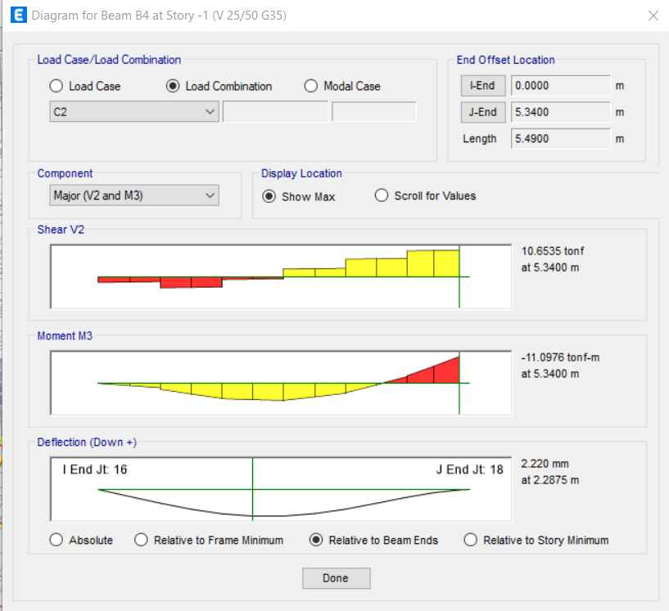
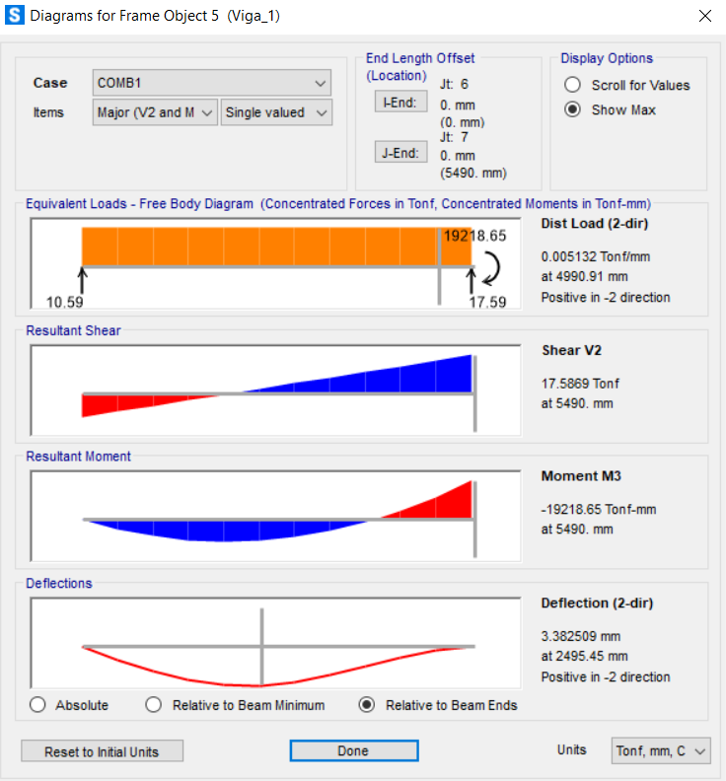
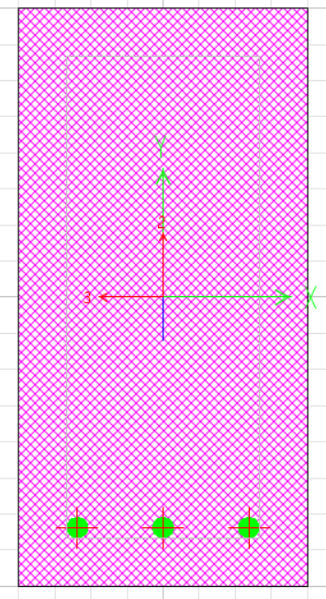
-1 | B4 | 4 | SY | LinRespSpec | Max | 2.745 | 0 | 0.0022 | 0 | 0 | 0 | 0.0022 | 46116 | 0 | 0
-1 | B4 | 4 | SY | LinRespSpec | Max | 3.2025 | 0 | 0.0022 | 0 | 0 | 0 | 0.0016 | 46116 | 0.4575 | 0
-1 | B4 | 4 | SY | LinRespSpec | Max | 3.66 | 0 | 0.0022 | 0 | 0 | 0 | 0.0015 | 46116 | 0.915 | 0
-1 | B4 | 4 | SY | LinRespSpec | Max | 3.66 | 0 | 0.0032 | 0 | 0 | 0 | 0.0016 | 46146 | 0 | 0
-1 | B4 | 4 | SY | LinRespSpec | Max | 4.1175 | 0 | 0.0032 | 0 | 0 | 0 | 0.0029 | 46146 | 0.4575 | 0
-1 | B4 | 4 | SY | LinRespSpec | Max | 4.575 | 0 | 0.0032 | 0 | 0 | 0 | 0.0043 | 46146 | 0.915 | 0
-1 | B4 | 4 | SY | LinRespSpec | Max | 4.575 | 0 | 0.0073 | 0 | 0 | 0 | 0.0044 | 46177 | 0 | 0
-1 | B4 | 4 | SY | LinRespSpec | Max | 4.9575 | 0 | 0.0073 | 0 | 0 | 0 | 0.0072 | 46177 | 0.3825 | 0
-1 | B4 | 4 | SY | LinRespSpec | Max | 5.34 | 0 | 0.0073 | 0 | 0 | 0 | 0.0099 | 46177 | 0.765 | 0
-1 | B4 | 4 | C1 | Combination | 0 | 0 | 0 | -1.3933 | 0 | 0 | 0 | 0 | 46026 | 0 | 0
-1 | B4 | 4 | C1 | Combination | 0 | 0.4575 | 0 | -1.1932 | 0 | 0 | 0 | 0.5917 | 46026 | 0.4575 | 0
-1 | B4 | 4 | C1 | Combination | 0 | 0.915 | 0 | -0.993 | 0 | 0 | 0 | 1.0918 | 46026 | 0.915 | 0
-1 | B4 | 4 | C1 | Combination | 0 | 0.915 | 0 | -2.3 | 0 | 0 | 0 | 1.4182 | 46057 | 0 | 0
-1 | B4 | 4 | C1 | Combination | 0 | 1.3725 | 0 | -2.0998 | 0 | 0 | 0 | 2.4246 | 46057 | 0.4575 | 0
-1 | B4 | 4 | C1 | Combination | 0 | 1.83 | 0 | -1.8997 | 0 | 0 | 0 | 3.3395 | 46057 | 0.915 | 0
-1 | B4 | 4 | C1 | Combination | 0 | 1.83 | 0 | -0.5554 | 0 | 0 | 0 | 3.3826 | 46085 | 0 | 0
-1 | B4 | 4 | C1 | Combination | 0 | 2.2875 | 0 | -0.3553 | 0 | 0 | 0 | 3.5909 | 46085 | 0.4575 | 0
-1 | B4 | 4 | C1 | Combination | 0 | 2.745 | 0 | -0.1551 | 0 | 0 | 0 | 3.7077 | 46085 | 0.915 | 0
-1 | B4 | 4 | C1 | Combination | 0 | 2.745 | 0 | 1.5512 | 0 | 0 | 0 | 3.68 | 46116 | 0 | 0
-1 | B4 | 4 | C1 | Combination | 0 | 3.2025 | 0 | 1.7513 | 0 | 0 | 0 | 2.9245 | 46116 | 0.4575 | 0
-1 | B4 | 4 | C1 | Combination | 0 | 3.66 | 0 | 1.9515 | 0 | 0 | 0 | 2.0775 | 46116 | 0.915 | 0
-1 | B4 | 4 | C1 | Combination | 0 | 3.66 | 0 | 3.6526 | 0 | 0 | 0 | 1.9686 | 46146 | 0 | 0
-1 | B4 | 4 | C1 | Combination | 0 | 4.1175 | 0 | 3.8528 | 0 | 0 | 0 | 0.2517 | 46146 | 0.4575 | 0
-1 | B4 | 4 | C1 | Combination | 0 | 4.575 | 0 | 4.053 | 0 | 0 | 0 | -1.5567 | 46146 | 0.915 | 0
-1 | B4 | 4 | C1 | Combination | 0 | 4.575 | 0 | 5.5417 | 0 | 0 | 0 | -1.7476 | 46177 | 0 | 0
-1 | B4 | 4 | C1 | Combination | 0 | 4.9575 | 0 | 5.7091 | 0 | 0 | 0 | -3.8993 | 46177 | 0.3825 | 0
-1 | B4 | 4 | C1 | Combination | 0 | 5.34 | 0 | 5.8764 | 0 | 0 | 0 | -6.1151 | 46177 | 0.765 | 0
-1 | B4 | 4 | C2 | Combination | 0 | 0 | 0 | -2.1611 | 0 | 0 | 0 | 0 | 46026 | 0 | 0
-1 | B4 | 4 | C2 | Combination | 0 | 0.4575 | 0 | -1.9895 | 0 | 0 | 0 | 0.9494 | 46026 | 0.4575 | 0
-1 | B4 | 4 | C2 | Combination | 0 | 0.915 | 0 | -1.818 | 0 | 0 | 0 | 1.8204 | 46026 | 0.915 | 0
-1 | B4 | 4 | C2 | Combination | 0 | 0.915 | 0 | -4.3169 | 0 | 0 | 0 | 2.4907 | 46057 | 0 | 0
-1 | B4 | 4 | C2 | Combination | 0 | 1.3725 | 0 | -4.1453 | 0 | 0 | 0 | 4.4264 | 46057 | 0.4575 | 0
-1 | B4 | 4 | C2 | Combination | 0 | 1.83 | 0 | -3.9738 | 0 | 0 | 0 | 6.2836 | 46057 | 0.915 | 0
-1 | B4 | 4 | C2 | Combination | 0 | 1.83 | 0 | -0.9823 | 0 | 0 | 0 | 6.3706 | 46085 | 0 | 0
-1 | B4 | 4 | C2 | Combination | 0 | 2.2875 | 0 | -0.8107 | 0 | 0 | 0 | 6.7807 | 46085 | 0.4575 | 0
-1 | B4 | 4 | C2 | Combination | 0 | 2.745 | 0 | -0.6392 | 0 | 0 | 0 | 7.1124 | 46085 | 0.915 | 0
-1 | B4 | 4 | C2 | Combination | 0 | 2.745 | 0 | 3.0704 | 0 | 0 | 0 | 7.0639 | 46116 | 0 | 0
-1 | B4 | 4 | C2 | Combination | 0 | 3.2025 | 0 | 3.242 | 0 | 0 | 0 | 5.6199 | 46116 | 0.4575 | 0
-1 | B4 | 4 | C2 | Combination | 0 | 3.66 | 0 | 3.4136 | 0 | 0 | 0 | 4.0974 | 46116 | 0.915 | 0
-1 | B4 | 4 | C2 | Combination | 0 | 3.66 | 0 | 7.0364 | 0 | 0 | 0 | 3.8941 | 46146 | 0 | 0
-1 | B4 | 4 | C2 | Combination | 0 | 4.1175 | 0 | 7.208 | 0 | 0 | 0 | 0.6357 | 46146 | 0.4575 | 0
-1 | B4 | 4 | C2 | Combination | 0 | 4.575 | 0 | 7.3796 | 0 | 0 | 0 | -2.7012 | 46146 | 0.915 | 0
-1 | B4 | 4 | C2 | Combination | 0 | 4.575 | 0 | 10.3666 | 0 | 0 | 0 | -3.0574 | 46177 | 0 | 0
-1 | B4 | 4 | C2 | Combination | 0 | 4.9575 | 0 | 10.5101 | 0 | 0 | 0 | -7.05 | 46177 | 0.3825 | 0
-1 | B4 | 4 | C2 | Combination | 0 | 5.34 | 0 | 10.6535 | 0 | 0 | 0 | -11.0976 | 46177 | 0.765 | 0
-1 | B4 | 4 | C3 | Combination | Max | 0 | 0 | -0.7415 | 0 | 0 | 0 | 0 | 46026 | 0 | 0
-1 | B4 | 4 | C3 | Combination | Max | 0.4575 | 0 | -0.6129 | 0 | 0 | 0 | 0.4509 | 46026 | 0.4575 | 0
-1 | B4 | 4 | C3 | Combination | Max | 0.915 | 0 | -0.4842 | 0 | 0 | 0 | 0.8429 | 46026 | 0.915 | 0
-1 | B4 | 4 | C3 | Combination | Max | 0.915 | 0 | -1.4484 | 0 | 0 | 0 | 1.0292 | 46057 | 0 | 0
-1 | B4 | 4 | C3 | Combination | Max | 1.3725 | 0 | -1.3197 | 0 | 0 | 0 | 1.6625 | 46057 | 0.4575 | 0
-1 | B4 | 4 | C3 | Combination | Max | 1.83 | 0 | -1.191 | 0 | 0 | 0 | 2.2368 | 46057 | 0.915 | 0
-1 | B4 | 4 | C3 | Combination | Max | 1.83 | 0 | -0.308 | 0 | 0 | 0 | 2.2632 | 46085 | 0 | 0
-1 | B4 | 4 | C3 | Combination | Max | 2.2875 | 0 | -0.1794 | 0 | 0 | 0 | 2.3747 | 46085 | 0.4575 | 0
-1 | B4 | 4 | C3 | Combination | Max | 2.745 | 0 | -0.0507 | 0 | 0 | 0 | 2.4274 | 46085 | 0.915 | 0
-1 | B4 | 4 | C3 | Combination | Max | 2.745 | 0 | 1.0524 | 0 | 0 | 0 | 2.4076 | 46116 | 0 | 0
-1 | B4 | 4 | C3 | Combination | Max | 3.2025 | 0 | 1.181 | 0 | 0 | 0 | 1.8968 | 46116 | 0.4575 | 0
-1 | B4 | 4 | C3 | Combination | Max | 3.66 | 0 | 1.3097 | 0 | 0 | 0 | 1.3447 | 46116 | 0.915 | 0
-1 | B4 | 4 | C3 | Combination | Max | 3.66 | 0 | 2.4117 | 0 | 0 | 0 | 1.2769 | 46146 | 0 | 0
-1 | B4 | 4 | C3 | Combination | Max | 4.1175 | 0 | 2.5404 | 0 | 0 | 0 | 0.202 | 46146 | 0.4575 | 0
-1 | B4 | 4 | C3 | Combination | Max | 4.575 | 0 | 2.669 | 0 | 0 | 0 | -0.9315 | 46146 | 0.915 | 0
-1 | B4 | 4 | C3 | Combination | Max | 4.575 | 0 | 3.6584 | 0 | 0 | 0 | -1.0521 | 46177 | 0 | 0
-1 | B4 | 4 | C3 | Combination | Max | 4.9575 | 0 | 3.766 | 0 | 0 | 0 | -2.3986 | 46177 | 0.3825 | 0
-1 | B4 | 4 | C3 | Combination | Max | 5.34 | 0 | 3.8736 | 0 | 0 | 0 | -3.7864 | 46177 | 0.765 | 0
-1 | B4 | 4 | C3 | Combination | Min | 0 | 0 | -1.0499 | 0 | 0 | 0 | 0 | 46026 | 0 | 0
-1 | B4 | 4 | C3 | Combination | Min | 0.4575 | 0 | -0.9212 | 0 | 0 | 0 | 0.3098 | 46026 | 0.4575 | 0
-1 | B4 | 4 | C3 | Combination | Min | 0.915 | 0 | -0.7926 | 0 | 0 | 0 | 0.5608 | 46026 | 0.915 | 0
-1 | B4 | 4 | C3 | Combination | Min | 0.915 | 0 | -1.5087 | 0 | 0 | 0 | 0.7941 | 46057 | 0 | 0
-1 | B4 | 4 | C3 | Combination | Min | 1.3725 | 0 | -1.3801 | 0 | 0 | 0 | 1.4549 | 46057 | 0.4575 | 0
-1 | B4 | 4 | C3 | Combination | Min | 1.83 | 0 | -1.2514 | 0 | 0 | 0 | 2.0569 | 46057 | 0.915 | 0
-1 | B4 | 4 | C3 | Combination | Min | 1.83 | 0 | -0.4061 | 0 | 0 | 0 | 2.0858 | 46085 | 0 | 0
-1 | B4 | 4 | C3 | Combination | Min | 2.2875 | 0 | -0.2774 | 0 | 0 | 0 | 2.2422 | 46085 | 0.4575 | 0
-1 | B4 | 4 | C3 | Combination | Min | 2.745 | 0 | -0.1488 | 0 | 0 | 0 | 2.3397 | 46085 | 0.915 | 0
-1 | B4 | 4 | C3 | Combination | Min | 2.745 | 0 | 0.942 | 0 | 0 | 0 | 2.3238 | 46116 | 0 | 0
-1 | B4 | 4 | C3 | Combination | Min | 3.2025 | 0 | 1.0707 | 0 | 0 | 0 | 1.8633 | 46116 | 0.4575 | 0
-1 | B4 | 4 | C3 | Combination | Min | 3.66 | 0 | 1.1993 | 0 | 0 | 0 | 1.3264 | 46116 | 0.915 | 0
-1 | B4 | 4 | C3 | Combination | Min | 3.66 | 0 | 2.2846 | 0 | 0 | 0 | 1.2541 | 46146 | 0 | 0
-1 | B4 | 4 | C3 | Combination | Min | 4.1175 | 0 | 2.4132 | 0 | 0 | 0 | 0.1216 | 46146 | 0.4575 | 0
-1 | B4 | 4 | C3 | Combination | Min | 4.575 | 0 | 2.5419 | 0 | 0 | 0 | -1.07 | 46146 | 0.915 | 0
-1 | B4 | 4 | C3 | Combination | Min | 4.575 | 0 | 3.4667 | 0 | 0 | 0 | -1.1949 | 46177 | 0 | 0
-1 | B4 | 4 | C3 | Combination | Min | 4.9575 | 0 | 3.5742 | 0 | 0 | 0 | -2.6148 | 46177 | 0.3825 | 0
-1 | B4 | 4 | C3 | Combination | Min | 5.34 | 0 | 3.6818 | 0 | 0 | 0 | -4.0759 | 46177 | 0.765 | 0
-1 | B4 | 4 | C5 | Combination | Max | 0 | 0 | -1.6444 | 0 | 0 | 0 | 0 | 46026 | 0 | 0
-1 | B4 | 4 | C5 | Combination | Max | 0.4575 | 0 | -1.4728 | 0 | 0 | 0 | 0.8541 | 46026 | 0.4575 | 0
-1 | B4 | 4 | C5 | Combination | Max | 0.915 | 0 | -1.3012 | 0 | 0 | 0 | 1.6298 | 46026 | 0.915 | 0
-1 | B4 | 4 | C5 | Combination | Max | 0.915 | 0 | -3.4071 | 0 | 0 | 0 | 2.1301 | 46057 | 0 | 0
-1 | B4 | 4 | C5 | Combination | Max | 1.3725 | 0 | -3.2356 | 0 | 0 | 0 | 3.6496 | 46057 | 0.4575 | 0
-1 | B4 | 4 | C5 | Combination | Max | 1.83 | 0 | -3.064 | 0 | 0 | 0 | 5.0907 | 46057 | 0.915 | 0
-1 | B4 | 4 | C5 | Combination | Max | 1.83 | 0 | -0.7434 | 0 | 0 | 0 | 5.1575 | 46085 | 0 | 0
-1 | B4 | 4 | C5 | Combination | Max | 2.2875 | 0 | -0.5719 | 0 | 0 | 0 | 5.4584 | 46085 | 0.4575 | 0
-1 | B4 | 4 | C5 | Combination | Max | 2.745 | 0 | -0.4003 | 0 | 0 | 0 | 5.6809 | 46085 | 0.915 | 0
-1 | B4 | 4 | C5 | Combination | Max | 2.745 | 0 | 2.4728 | 0 | 0 | 0 | 5.6396 | 46116 | 0 | 0
-1 | B4 | 4 | C5 | Combination | Max | 3.2025 | 0 | 2.6444 | 0 | 0 | 0 | 4.4692 | 46116 | 0.4575 | 0
-1 | B4 | 4 | C5 | Combination | Max | 3.66 | 0 | 2.8159 | 0 | 0 | 0 | 3.2378 | 46116 | 0.915 | 0
-1 | B4 | 4 | C5 | Combination | Max | 3.66 | 0 | 5.6354 | 0 | 0 | 0 | 3.0779 | 46146 | 0 | 0
-1 | B4 | 4 | C5 | Combination | Max | 4.1175 | 0 | 5.807 | 0 | 0 | 0 | 0.5184 | 46146 | 0.4575 | 0
-1 | B4 | 4 | C5 | Combination | Max | 4.575 | 0 | 5.9785 | 0 | 0 | 0 | -2.1194 | 46146 | 0.915 | 0
-1 | B4 | 4 | C5 | Combination | Max | 4.575 | 0 | 8.3563 | 0 | 0 | 0 | -2.4012 | 46177 | 0 | 0
-1 | B4 | 4 | C5 | Combination | Max | 4.9575 | 0 | 8.4997 | 0 | 0 | 0 | -5.5516 | 46177 | 0.3825 | 0
-1 | B4 | 4 | C5 | Combination | Max | 5.34 | 0 | 8.6432 | 0 | 0 | 0 | -8.7568 | 46177 | 0.765 | 0
-1 | B4 | 4 | C5 | Combination | Min | 0 | 0 | -1.9527 | 0 | 0 | 0 | 0 | 46026 | 0 | 0
-1 | B4 | 4 | C5 | Combination | Min | 0.4575 | 0 | -1.7812 | 0 | 0 | 0 | 0.7131 | 46026 | 0.4575 | 0
-1 | B4 | 4 | C5 | Combination | Min | 0.915 | 0 | -1.6096 | 0 | 0 | 0 | 1.3476 | 46026 | 0.915 | 0
-1 | B4 | 4 | C5 | Combination | Min | 0.915 | 0 | -3.4675 | 0 | 0 | 0 | 1.895 | 46057 | 0 | 0
-1 | B4 | 4 | C5 | Combination | Min | 1.3725 | 0 | -3.296 | 0 | 0 | 0 | 3.4421 | 46057 | 0.4575 | 0
-1 | B4 | 4 | C5 | Combination | Min | 1.83 | 0 | -3.1244 | 0 | 0 | 0 | 4.9107 | 46057 | 0.915 | 0
-1 | B4 | 4 | C5 | Combination | Min | 1.83 | 0 | -0.8415 | 0 | 0 | 0 | 4.9802 | 46085 | 0 | 0
-1 | B4 | 4 | C5 | Combination | Min | 2.2875 | 0 | -0.67 | 0 | 0 | 0 | 5.3259 | 46085 | 0.4575 | 0
-1 | B4 | 4 | C5 | Combination | Min | 2.745 | 0 | -0.4984 | 0 | 0 | 0 | 5.5931 | 46085 | 0.915 | 0
-1 | B4 | 4 | C5 | Combination | Min | 2.745 | 0 | 2.3624 | 0 | 0 | 0 | 5.5559 | 46116 | 0 | 0
-1 | B4 | 4 | C5 | Combination | Min | 3.2025 | 0 | 2.534 | 0 | 0 | 0 | 4.4357 | 46116 | 0.4575 | 0
-1 | B4 | 4 | C5 | Combination | Min | 3.66 | 0 | 2.7055 | 0 | 0 | 0 | 3.2195 | 46116 | 0.915 | 0
-1 | B4 | 4 | C5 | Combination | Min | 3.66 | 0 | 5.5083 | 0 | 0 | 0 | 3.0552 | 46146 | 0 | 0
-1 | B4 | 4 | C5 | Combination | Min | 4.1175 | 0 | 5.6799 | 0 | 0 | 0 | 0.438 | 46146 | 0.4575 | 0
-1 | B4 | 4 | C5 | Combination | Min | 4.575 | 0 | 5.8514 | 0 | 0 | 0 | -2.2579 | 46146 | 0.915 | 0
-1 | B4 | 4 | C5 | Combination | Min | 4.575 | 0 | 8.1645 | 0 | 0 | 0 | -2.544 | 46177 | 0 | 0
-1 | B4 | 4 | C5 | Combination | Min | 4.9575 | 0 | 8.308 | 0 | 0 | 0 | -5.7677 | 46177 | 0.3825 | 0
-1 | B4 | 4 | C5 | Combination | Min | 5.34 | 0 | 8.4514 | 0 | 0 | 0 | -9.0463 | 46177 | 0.765 | 0
-1 | B4 | 4 | C6 | Combination | Max | 0 | 0 | -1.7874 | 0 | 0 | 0 | 0 | 46026 | 0 | 0
-1 | B4 | 4 | C6 | Combination | Max | 0.4575 | 0 | -1.6158 | 0 | 0 | 0 | 0.7887 | 46026 | 0.4575 | 0
-1 | B4 | 4 | C6 | Combination | Max | 0.915 | 0 | -1.4442 | 0 | 0 | 0 | 1.4989 | 46026 | 0.915 | 0
-1 | B4 | 4 | C6 | Combination | Max | 0.915 | 0 | -3.4349 | 0 | 0 | 0 | 2.0211 | 46057 | 0 | 0
-1 | B4 | 4 | C6 | Combination | Max | 1.3725 | 0 | -3.2633 | 0 | 0 | 0 | 3.5533 | 46057 | 0.4575 | 0
-1 | B4 | 4 | C6 | Combination | Max | 1.83 | 0 | -3.0918 | 0 | 0 | 0 | 5.007 | 46057 | 0.915 | 0
-1 | B4 | 4 | C6 | Combination | Max | 1.83 | 0 | -0.7891 | 0 | 0 | 0 | 5.0751 | 46085 | 0 | 0
-1 | B4 | 4 | C6 | Combination | Max | 2.2875 | 0 | -0.6176 | 0 | 0 | 0 | 5.3969 | 46085 | 0.4575 | 0
-1 | B4 | 4 | C6 | Combination | Max | 2.745 | 0 | -0.446 | 0 | 0 | 0 | 5.6402 | 46085 | 0.915 | 0
-1 | B4 | 4 | C6 | Combination | Max | 2.745 | 0 | 2.4207 | 0 | 0 | 0 | 5.6009 | 46116 | 0 | 0
-1 | B4 | 4 | C6 | Combination | Max | 3.2025 | 0 | 2.5923 | 0 | 0 | 0 | 4.4547 | 46116 | 0.4575 | 0
-1 | B4 | 4 | C6 | Combination | Max | 3.66 | 0 | 2.7638 | 0 | 0 | 0 | 3.2308 | 46116 | 0.915 | 0
-1 | B4 | 4 | C6 | Combination | Max | 3.66 | 0 | 5.5763 | 0 | 0 | 0 | 3.0688 | 46146 | 0 | 0
-1 | B4 | 4 | C6 | Combination | Max | 4.1175 | 0 | 5.7479 | 0 | 0 | 0 | 0.4822 | 46146 | 0.4575 | 0
-1 | B4 | 4 | C6 | Combination | Max | 4.575 | 0 | 5.9195 | 0 | 0 | 0 | -2.1827 | 46146 | 0.915 | 0
-1 | B4 | 4 | C6 | Combination | Max | 4.575 | 0 | 8.2706 | 0 | 0 | 0 | -2.4664 | 46177 | 0 | 0
-1 | B4 | 4 | C6 | Combination | Max | 4.9575 | 0 | 8.414 | 0 | 0 | 0 | -5.6496 | 46177 | 0.3825 | 0
-1 | B4 | 4 | C6 | Combination | Max | 5.34 | 0 | 8.5574 | 0 | 0 | 0 | -8.8876 | 46177 | 0.765 | 0
-1 | B4 | 4 | C6 | Combination | Min | 0 | 0 | -1.8097 | 0 | 0 | 0 | 0 | 46026 | 0 | 0
-1 | B4 | 4 | C6 | Combination | Min | 0.4575 | 0 | -1.6381 | 0 | 0 | 0 | 0.7785 | 46026 | 0.4575 | 0
-1 | B4 | 4 | C6 | Combination | Min | 0.915 | 0 | -1.4666 | 0 | 0 | 0 | 1.4785 | 46026 | 0.915 | 0
-1 | B4 | 4 | C6 | Combination | Min | 0.915 | 0 | -3.4398 | 0 | 0 | 0 | 2.0039 | 46057 | 0 | 0
-1 | B4 | 4 | C6 | Combination | Min | 1.3725 | 0 | -3.2682 | 0 | 0 | 0 | 3.5384 | 46057 | 0.4575 | 0
-1 | B4 | 4 | C6 | Combination | Min | 1.83 | 0 | -3.0967 | 0 | 0 | 0 | 4.9943 | 46057 | 0.915 | 0
-1 | B4 | 4 | C6 | Combination | Min | 1.83 | 0 | -0.7958 | 0 | 0 | 0 | 5.0626 | 46085 | 0 | 0
-1 | B4 | 4 | C6 | Combination | Min | 2.2875 | 0 | -0.6243 | 0 | 0 | 0 | 5.3875 | 46085 | 0.4575 | 0
-1 | B4 | 4 | C6 | Combination | Min | 2.745 | 0 | -0.4527 | 0 | 0 | 0 | 5.6338 | 46085 | 0.915 | 0
-1 | B4 | 4 | C6 | Combination | Min | 2.745 | 0 | 2.4145 | 0 | 0 | 0 | 5.5947 | 46116 | 0 | 0
-1 | B4 | 4 | C6 | Combination | Min | 3.2025 | 0 | 2.5861 | 0 | 0 | 0 | 4.4502 | 46116 | 0.4575 | 0
-1 | B4 | 4 | C6 | Combination | Min | 3.66 | 0 | 2.7576 | 0 | 0 | 0 | 3.2266 | 46116 | 0.915 | 0
-1 | B4 | 4 | C6 | Combination | Min | 3.66 | 0 | 5.5673 | 0 | 0 | 0 | 3.0644 | 46146 | 0 | 0
-1 | B4 | 4 | C6 | Combination | Min | 4.1175 | 0 | 5.7389 | 0 | 0 | 0 | 0.4742 | 46146 | 0.4575 | 0
-1 | B4 | 4 | C6 | Combination | Min | 4.575 | 0 | 5.9105 | 0 | 0 | 0 | -2.1946 | 46146 | 0.915 | 0
-1 | B4 | 4 | C6 | Combination | Min | 4.575 | 0 | 8.2503 | 0 | 0 | 0 | -2.4788 | 46177 | 0 | 0
-1 | B4 | 4 | C6 | Combination | Min | 4.9575 | 0 | 8.3937 | 0 | 0 | 0 | -5.6697 | 46177 | 0.3825 | 0
-1 | B4 | 4 | C6 | Combination | Min | 5.34 | 0 | 8.5371 | 0 | 0 | 0 | -8.9155 | 46177 | 0.765 | 0
-1 | B4 | 4 | ENVC | Combination | Max | 0 | 0 | -0.7415 | 0 | 0 | 0 | 0 | 46026 | 0 | 0
-1 | B4 | 4 | ENVC | Combination | Max | 0.4575 | 0 | -0.6129 | 0 | 0 | 0 | 0.9494 | 46026 | 0.4575 | 0
-1 | B4 | 4 | ENVC | Combination | Max | 0.915 | 0 | -0.4842 | 0 | 0 | 0 | 1.8204 | 46026 | 0.915 | 0
-1 | B4 | 4 | ENVC | Combination | Max | 0.915 | 0 | -1.4484 | 0 | 0 | 0 | 2.4907 | 46057 | 0 | 0
-1 | B4 | 4 | ENVC | Combination | Max | 1.3725 | 0 | -1.3197 | 0 | 0 | 0 | 4.4264 | 46057 | 0.4575 | 0
-1 | B4 | 4 | ENVC | Combination | Max | 1.83 | 0 | -1.191 | 0 | 0 | 0 | 6.2836 | 46057 | 0.915 | 0
-1 | B4 | 4 | ENVC | Combination | Max | 1.83 | 0 | -0.308 | 0 | 0 | 0 | 6.3706 | 46085 | 0 | 0
-1 | B4 | 4 | ENVC | Combination | Max | 2.2875 | 0 | -0.1794 | 0 | 0 | 0 | 6.7807 | 46085 | 0.4575 | 0
-1 | B4 | 4 | ENVC | Combination | Max | 2.745 | 0 | -0.0507 | 0 | 0 | 0 | 7.1124 | 46085 | 0.915 | 0
-1 | B4 | 4 | ENVC | Combination | Max | 2.745 | 0 | 3.0704 | 0 | 0 | 0 | 7.0639 | 46116 | 0 | 0
-1 | B4 | 4 | ENVC | Combination | Max | 3.2025 | 0 | 3.242 | 0 | 0 | 0 | 5.6199 | 46116 | 0.4575 | 0
-1 | B4 | 4 | ENVC | Combination | Max | 3.66 | 0 | 3.4136 | 0 | 0 | 0 | 4.0974 | 46116 | 0.915 | 0
-1 | B4 | 4 | ENVC | Combination | Max | 3.66 | 0 | 7.0364 | 0 | 0 | 0 | 3.8941 | 46146 | 0 | 0
-1 | B4 | 4 | ENVC | Combination | Max | 4.1175 | 0 | 7.208 | 0 | 0 | 0 | 0.6357 | 46146 | 0.4575 | 0
-1 | B4 | 4 | ENVC | Combination | Max | 4.575 | 0 | 7.3796 | 0 | 0 | 0 | -0.9315 | 46146 | 0.915 | 0
-1 | B4 | 4 | ENVC | Combination | Max | 4.575 | 0 | 10.3666 | 0 | 0 | 0 | -1.0521 | 46177 | 0 | 0
-1 | B4 | 4 | ENVC | Combination | Max | 4.9575 | 0 | 10.5101 | 0 | 0 | 0 | -2.3986 | 46177 | 0.3825 | 0
-1 | B4 | 4 | ENVC | Combination | Max | 5.34 | 0 | 10.6535 | 0 | 0 | 0 | -3.7864 | 46177 | 0.765 | 0
-1 | B4 | 4 | ENVC | Combination | Min | 0 | 0 | -2.1611 | 0 | 0 | 0 | 0 | 46026 | 0 | 0
-1 | B4 | 4 | ENVC | Combination | Min | 0.4575 | 0 | -1.9895 | 0 | 0 | 0 | 0.3098 | 46026 | 0.4575 | 0
-1 | B4 | 4 | ENVC | Combination | Min | 0.915 | 0 | -1.818 | 0 | 0 | 0 | 0.5608 | 46026 | 0.915 | 0
-1 | B4 | 4 | ENVC | Combination | Min | 0.915 | 0 | -4.3169 | 0 | 0 | 0 | 0.7941 | 46057 | 0 | 0
-1 | B4 | 4 | ENVC | Combination | Min | 1.3725 | 0 | -4.1453 | 0 | 0 | 0 | 1.4549 | 46057 | 0.4575 | 0
-1 | B4 | 4 | ENVC | Combination | Min | 1.83 | 0 | -3.9738 | 0 | 0 | 0 | 2.0569 | 46057 | 0.915 | 0
-1 | B4 | 4 | ENVC | Combination | Min | 1.83 | 0 | -0.9823 | 0 | 0 | 0 | 2.0858 | 46085 | 0 | 0
-1 | B4 | 4 | ENVC | Combination | Min | 2.2875 | 0 | -0.8107 | 0 | 0 | 0 | 2.2422 | 46085 | 0.4575 | 0
-1 | B4 | 4 | ENVC | Combination | Min | 2.745 | 0 | -0.6392 | 0 | 0 | 0 | 2.3397 | 46085 | 0.915 | 0
-1 | B4 | 4 | ENVC | Combination | Min | 2.745 | 0 | 0.942 | 0 | 0 | 0 | 2.3238 | 46116 | 0 | 0
-1 | B4 | 4 | ENVC | Combination | Min | 3.2025 | 0 | 1.0707 | 0 | 0 | 0 | 1.8633 | 46116 | 0.4575 | 0
-1 | B4 | 4 | ENVC | Combination | Min | 3.66 | 0 | 1.1993 | 0 | 0 | 0 | 1.3264 | 46116 | 0.915 | 0
-1 | B4 | 4 | ENVC | Combination | Min | 3.66 | 0 | 2.2846 | 0 | 0 | 0 | 1.2541 | 46146 | 0 | 0
-1 | B4 | 4 | ENVC | Combination | Min | 4.1175 | 0 | 2.4132 | 0 | 0 | 0 | 0.1216 | 46146 | 0.4575 | 0
-1 | B4 | 4 | ENVC | Combination | Min | 4.575 | 0 | 2.5419 | 0 | 0 | 0 | -2.7012 | 46146 | 0.915 | 0
-1 | B4 | 4 | ENVC | Combination | Min | 4.575 | 0 | 3.4667 | 0 | 0 | 0 | -3.0574 | 46177 | 0 | 0
-1 | B4 | 4 | ENVC | Combination | Min | 4.9575 | 0 | 3.5742 | 0 | 0 | 0 | -7.05 | 46177 | 0.3825 | 0
-1 | B4 | 4 | ENVC | Combination | Min | 5.34 | 0 | 3.6818 | 0 | 0 | 0 | -11.0976 | 46177 | 0.765 | 0
-1 | B4 | 4 | C4 | Combination | Max | 0 | 0 | -0.8846 | 0 | 0 | 0 | 0 | 46026 | 0 | 0
-1 | B4 | 4 | C4 | Combination | Max | 0.4575 | 0 | -0.7559 | 0 | 0 | 0 | 0.3855 | 46026 | 0.4575 | 0
-1 | B4 | 4 | C4 | Combination | Max | 0.915 | 0 | -0.6272 | 0 | 0 | 0 | 0.7121 | 46026 | 0.915 | 0
-1 | B4 | 4 | C4 | Combination | Max | 0.915 | 0 | -1.4761 | 0 | 0 | 0 | 0.9203 | 46057 | 0 | 0
-1 | B4 | 4 | C4 | Combination | Max | 1.3725 | 0 | -1.3474 | 0 | 0 | 0 | 1.5662 | 46057 | 0.4575 | 0
-1 | B4 | 4 | C4 | Combination | Max | 1.83 | 0 | -1.2188 | 0 | 0 | 0 | 2.1532 | 46057 | 0.915 | 0
-1 | B4 | 4 | C4 | Combination | Max | 1.83 | 0 | -0.3537 | 0 | 0 | 0 | 2.1808 | 46085 | 0 | 0
-1 | B4 | 4 | C4 | Combination | Max | 2.2875 | 0 | -0.2251 | 0 | 0 | 0 | 2.3132 | 46085 | 0.4575 | 0
-1 | B4 | 4 | C4 | Combination | Max | 2.745 | 0 | -0.0964 | 0 | 0 | 0 | 2.3867 | 46085 | 0.915 | 0
-1 | B4 | 4 | C4 | Combination | Max | 2.745 | 0 | 1.0003 | 0 | 0 | 0 | 2.3688 | 46116 | 0 | 0
-1 | B4 | 4 | C4 | Combination | Max | 3.2025 | 0 | 1.1289 | 0 | 0 | 0 | 1.8823 | 46116 | 0.4575 | 0
-1 | B4 | 4 | C4 | Combination | Max | 3.66 | 0 | 1.2576 | 0 | 0 | 0 | 1.3376 | 46116 | 0.915 | 0
-1 | B4 | 4 | C4 | Combination | Max | 3.66 | 0 | 2.3526 | 0 | 0 | 0 | 1.2677 | 46146 | 0 | 0
-1 | B4 | 4 | C4 | Combination | Max | 4.1175 | 0 | 2.4813 | 0 | 0 | 0 | 0.1658 | 46146 | 0.4575 | 0
-1 | B4 | 4 | C4 | Combination | Max | 4.575 | 0 | 2.61 | 0 | 0 | 0 | -0.9948 | 46146 | 0.915 | 0
-1 | B4 | 4 | C4 | Combination | Max | 4.575 | 0 | 3.5727 | 0 | 0 | 0 | -1.1173 | 46177 | 0 | 0
-1 | B4 | 4 | C4 | Combination | Max | 4.9575 | 0 | 3.6803 | 0 | 0 | 0 | -2.4967 | 46177 | 0.3825 | 0
-1 | B4 | 4 | C4 | Combination | Max | 5.34 | 0 | 3.7878 | 0 | 0 | 0 | -3.9172 | 46177 | 0.765 | 0
-1 | B4 | 4 | C4 | Combination | Min | 0 | 0 | -0.9069 | 0 | 0 | 0 | 0 | 46026 | 0 | 0
-1 | B4 | 4 | C4 | Combination | Min | 0.4575 | 0 | -0.7782 | 0 | 0 | 0 | 0.3753 | 46026 | 0.4575 | 0
-1 | B4 | 4 | C4 | Combination | Min | 0.915 | 0 | -0.6495 | 0 | 0 | 0 | 0.6916 | 46026 | 0.915 | 0
-1 | B4 | 4 | C4 | Combination | Min | 0.915 | 0 | -1.481 | 0 | 0 | 0 | 0.9031 | 46057 | 0 | 0
-1 | B4 | 4 | C4 | Combination | Min | 1.3725 | 0 | -1.3523 | 0 | 0 | 0 | 1.5512 | 46057 | 0.4575 | 0
-1 | B4 | 4 | C4 | Combination | Min | 1.83 | 0 | -1.2237 | 0 | 0 | 0 | 2.1405 | 46057 | 0.915 | 0
-1 | B4 | 4 | C4 | Combination | Min | 1.83 | 0 | -0.3604 | 0 | 0 | 0 | 2.1683 | 46085 | 0 | 0
-1 | B4 | 4 | C4 | Combination | Min | 2.2875 | 0 | -0.2318 | 0 | 0 | 0 | 2.3037 | 46085 | 0.4575 | 0
-1 | B4 | 4 | C4 | Combination | Min | 2.745 | 0 | -0.1031 | 0 | 0 | 0 | 2.3803 | 46085 | 0.915 | 0
-1 | B4 | 4 | C4 | Combination | Min | 2.745 | 0 | 0.9941 | 0 | 0 | 0 | 2.3626 | 46116 | 0 | 0
-1 | B4 | 4 | C4 | Combination | Min | 3.2025 | 0 | 1.1227 | 0 | 0 | 0 | 1.8778 | 46116 | 0.4575 | 0
-1 | B4 | 4 | C4 | Combination | Min | 3.66 | 0 | 1.2514 | 0 | 0 | 0 | 1.3335 | 46116 | 0.915 | 0
-1 | B4 | 4 | C4 | Combination | Min | 3.66 | 0 | 2.3436 | 0 | 0 | 0 | 1.2633 | 46146 | 0 | 0
-1 | B4 | 4 | C4 | Combination | Min | 4.1175 | 0 | 2.4723 | 0 | 0 | 0 | 0.1578 | 46146 | 0.4575 | 0
-1 | B4 | 4 | C4 | Combination | Min | 4.575 | 0 | 2.601 | 0 | 0 | 0 | -1.0067 | 46146 | 0.915 | 0
-1 | B4 | 4 | C4 | Combination | Min | 4.575 | 0 | 3.5524 | 0 | 0 | 0 | -1.1297 | 46177 | 0 | 0
-1 | B4 | 4 | C4 | Combination | Min | 4.9575 | 0 | 3.66 | 0 | 0 | 0 | -2.5168 | 46177 | 0.3825 | 0
-1 | B4 | 4 | C4 | Combination | Min | 5.34 | 0 | 3.7675 | 0 | 0 | 0 | -3.945 | 46177 | 0.765 | 0
-1 | B4 | 4 | PPSC | Combination | 0 | 0 | 0 | -1.5995 | 0 | 0 | 0 | 0 | 46026 | 0 | 0
-1 | B4 | 4 | PPSC | Combination | 0 | 0.4575 | 0 | -1.4565 | 0 | 0 | 0 | 0.6991 | 46026 | 0.4575 | 0
-1 | B4 | 4 | PPSC | Combination | 0 | 0.915 | 0 | -1.3136 | 0 | 0 | 0 | 1.3327 | 46026 | 0.915 | 0
-1 | B4 | 4 | PPSC | Combination | 0 | 0.915 | 0 | -3.1088 | 0 | 0 | 0 | 1.8099 | 46057 | 0 | 0
-1 | B4 | 4 | PPSC | Combination | 0 | 1.3725 | 0 | -2.9658 | 0 | 0 | 0 | 3.1995 | 46057 | 0.4575 | 0
-1 | B4 | 4 | PPSC | Combination | 0 | 1.83 | 0 | -2.8228 | 0 | 0 | 0 | 4.5236 | 46057 | 0.915 | 0
-1 | B4 | 4 | PPSC | Combination | 0 | 1.83 | 0 | -0.7131 | 0 | 0 | 0 | 4.5856 | 46085 | 0 | 0
-1 | B4 | 4 | PPSC | Combination | 0 | 2.2875 | 0 | -0.5702 | 0 | 0 | 0 | 4.8792 | 46085 | 0.4575 | 0
-1 | B4 | 4 | PPSC | Combination | 0 | 2.745 | 0 | -0.4272 | 0 | 0 | 0 | 5.1073 | 46085 | 0.915 | 0
-1 | B4 | 4 | PPSC | Combination | 0 | 2.745 | 0 | 2.196 | 0 | 0 | 0 | 5.0721 | 46116 | 0 | 0
-1 | B4 | 4 | PPSC | Combination | 0 | 3.2025 | 0 | 2.339 | 0 | 0 | 0 | 4.0347 | 46116 | 0.4575 | 0
-1 | B4 | 4 | PPSC | Combination | 0 | 3.66 | 0 | 2.482 | 0 | 0 | 0 | 2.9319 | 46116 | 0.915 | 0
-1 | B4 | 4 | PPSC | Combination | 0 | 3.66 | 0 | 5.05 | 0 | 0 | 0 | 2.7853 | 46146 | 0 | 0
-1 | B4 | 4 | PPSC | Combination | 0 | 4.1175 | 0 | 5.193 | 0 | 0 | 0 | 0.4422 | 46146 | 0.4575 | 0
-1 | B4 | 4 | PPSC | Combination | 0 | 4.575 | 0 | 5.336 | 0 | 0 | 0 | -1.9663 | 46146 | 0.915 | 0
-1 | B4 | 4 | PPSC | Combination | 0 | 4.575 | 0 | 7.4687 | 0 | 0 | 0 | -2.2229 | 46177 | 0 | 0
-1 | B4 | 4 | PPSC | Combination | 0 | 4.9575 | 0 | 7.5883 | 0 | 0 | 0 | -5.1026 | 46177 | 0.3825 | 0
-1 | B4 | 4 | PPSC | Combination | 0 | 5.34 | 0 | 7.7078 | 0 | 0 | 0 | -8.028 | 46177 | 0.765 | 0

B8
Story | Beam | Unique Name | Output Case | Case Type | Step Type | Station | P | V2 | V3 | T | M2 | M3 | Element | Elem Station | Location
 |  |  |  |  |  | m | tonf | tonf | tonf | tonf-m | tonf-m | tonf-m |  | m
-1 | B8 | 8 | PP | LinStatic | 0 | 0.15 | 0 | -4.0862 | 0 | 0 | 0 | -4.2862 | 46030 | 0.15 | 0 | Mmax | 7.0797 | tonfm
-1 | B8 | 8 | PP | LinStatic | 0 | 0.555 | 0 | -3.9597 | 0 | 0 | 0 | -2.6569 | 46030 | 0.555 | 0 | Mmin | -11.0742 | tonfm |  |  |  |  | fc | 35 | 0.85
-1 | B8 | 8 | PP | LinStatic | 0 | 0.96 | 0 | -3.8331 | 0 | 0 | 0 | -1.0789 | 46030 | 0.96 | 0 |  |  |  |  |  |  |  |  |  | 0.65
-1 | B8 | 8 | PP | LinStatic | 0 | 0.96 | 0 | -2.7294 | 0 | 0 | 0 | -0.955 | 46061 | 0 | 0 | Vmax | 10.2554 | tonf |  |  |  |  |  |  | 0.8
-1 | B8 | 8 | PP | LinStatic | 0 | 1.459 | 0 | -2.5734 | 0 | 0 | 0 | 0.368 | 46061 | 0.499 | 0 | Vmin | -10.4822 | tonf
-1 | B8 | 8 | PP | LinStatic | 0 | 1.958 | 0 | -2.4175 | 0 | 0 | 0 | 1.6133 | 46061 | 0.998 | 0 |  |  |  |  |  | Flexión |  |  |  |  | Corte
-1 | B8 | 8 | PP | LinStatic | 0 | 1.958 | 0 | -1.0973 | 0 | 0 | 0 | 1.6757 | 46089 | 0 | 0 | Geometría del perfil |  |  |  |  | Diámetro | Área | Unidades | Área total |  | Diámetro | Área | Unidades | Área total
-1 | B8 | 8 | PP | LinStatic | 0 | 2.457 | 0 | -0.9413 | 0 | 0 | 0 | 2.1843 | 46089 | 0.499 | 0 | h | 0.5 | m |  |  | mm | mm^2 |  | mm^2 |  | mm | mm^2 |  | mm^2
-1 | B8 | 8 | PP | LinStatic | 0 | 2.956 | 0 | -0.7854 | 0 | 0 | 0 | 2.6151 | 46089 | 0.998 | 0 | b | 0.25 | m |  |  | 8 | 50.27 |  | 0 |  | 8 | 50.27 | 1 | 50.265482457
-1 | B8 | 8 | PP | LinStatic | 0 | 2.956 | 0 | 0.5923 | 0 | 0 | 0 | 2.6185 | 46120 | 0 | 0 | rec | 5 | cm |  |  | 10 | 78.54 |  | 0 |  | 10 | 78.54 |  | 0
-1 | B8 | 8 | PP | LinStatic | 0 | 3.455 | 0 | 0.7482 | 0 | 0 | 0 | 2.2841 | 46120 | 0.499 | 0 | d | 0.45 | m |  |  | 12 | 113.10 |  | 0 |  | 12 | 113.10 |  | 0
-1 | B8 | 8 | PP | LinStatic | 0 | 3.9541 | 0 | 0.9041 | 0 | 0 | 0 | 1.8718 | 46120 | 0.998 | 0 |  |  |  |  |  | 16 | 201.06 |  | 0 |  | 16 | 201.06 |  | 0
-1 | B8 | 8 | PP | LinStatic | 0 | 3.9541 | 0 | 2.232 | 0 | 0 | 0 | 1.8162 | 46150 | 0 | 0 | Características |  |  |  |  | 18 | 254.47 | 3 | 763.40701482 |  | 18 | 254.47 | 0 | 0
-1 | B8 | 8 | PP | LinStatic | 0 | 4.4531 | 0 | 2.3879 | 0 | 0 | 0 | 0.6635 | 46150 | 0.499 | 0 |  |  |  |  |  | 22 | 380.13 | 0 | 0 |  | 22 | 380.13 | 0 | 0
-1 | B8 | 8 | PP | LinStatic | 0 | 4.9521 | 0 | 2.5439 | 0 | 0 | 0 | -0.567 | 46150 | 0.998 | 0 | f'c | 35 | Mpa |  |  | 25 | 490.87 |  | 0 |  | 25 | 490.87 |  | 0
-1 | B8 | 8 | PP | LinStatic | 0 | 4.9521 | 0 | 3.6995 | 0 | 0 | 0 | -0.6822 | 46181 | 0 | 0 | E | 27.805574981 | Gpa |  |  | 28 | 615.75 |  | 0 |  | 28 | 615.75 |  | 0
-1 | B8 | 8 | PP | LinStatic | 0 | 5.3761 | 0 | 3.832 | 0 | 0 | 0 | -2.2789 | 46181 | 0.424 | 0 | f'c | 3433.5 | tonf/m^2 |  |  | 32 | 804.25 |  | 0 |  | 32 | 804.25 |  | 0
-1 | B8 | 8 | PP | LinStatic | 0 | 5.8001 | 0 | 3.9645 | 0 | 0 | 0 | -3.9318 | 46181 | 0.848 | 0 | E | 2797985.5879 | tonf/m^2 |  |  | 36 | 1017.88 |  | 0 |  | 36 | 1017.88 |  | 0
-1 | B8 | 8 | SC | LinStatic | 0 | 0.15 | 0 | -3.4867 | 0 | 0 | 0 | -3.7068 | 46030 | 0.15 | 0 | I | 0.0026041666667 | m^4 |  |  | 40 | 1256.64 |  | 0 |  | 40 | 1256.64 |  | 0
-1 | B8 | 8 | SC | LinStatic | 0 | 0.555 | 0 | -3.4867 | 0 | 0 | 0 | -2.2946 | 46030 | 0.555 | 0 | fy | 420 | MPa
-1 | B8 | 8 | SC | LinStatic | 0 | 0.96 | 0 | -3.4867 | 0 | 0 | 0 | -0.8825 | 46030 | 0.96 | 0 | fy | 41202 | tonf/m^2 |  |  | Área máxima |  |  | 2390.625 | mm^2
-1 | B8 | 8 | SC | LinStatic | 0 | 0.96 | 0 | -2.3328 | 0 | 0 | 0 | -0.7714 | 46061 | 0 | 0 | e_c | 0.003 |  |  |  | Área mínima |  |  | 375 | mm^2
-1 | B8 | 8 | SC | LinStatic | 0 | 1.459 | 0 | -2.3328 | 0 | 0 | 0 | 0.3926 | 46061 | 0.499 | 0 | e_y | 0.002 |  |  |  | Área |  |  | 763.40701482 |  | Área |  |  | 50.265482457
-1 | B8 | 8 | SC | LinStatic | 0 | 1.958 | 0 | -2.3328 | 0 | 0 | 0 | 1.5567 | 46061 | 0.998 | 0 | A_g | 0.125 | m^2 |  |  | check |  |  | Estas bien
-1 | B8 | 8 | SC | LinStatic | 0 | 1.958 | 0 | -0.8472 | 0 | 0 | 0 | 1.6133 | 46089 | 0 | 0
-1 | B8 | 8 | SC | LinStatic | 0 | 2.457 | 0 | -0.8472 | 0 | 0 | 0 | 2.036 | 46089 | 0.499 | 0
-1 | B8 | 8 | SC | LinStatic | 0 | 2.956 | 0 | -0.8472 | 0 | 0 | 0 | 2.4588 | 46089 | 0.998 | 0 | Cálculo de flexión |  |  | Cálculo de corte
-1 | B8 | 8 | SC | LinStatic | 0 | 2.956 | 0 | 0.7279 | 0 | 0 | 0 | 2.4609 | 46120 | 0 | 0
-1 | B8 | 8 | SC | LinStatic | 0 | 3.455 | 0 | 0.7279 | 0 | 0 | 0 | 2.0977 | 46120 | 0.499 | 0
-1 | B8 | 8 | SC | LinStatic | 0 | 3.9541 | 0 | 0.7279 | 0 | 0 | 0 | 1.7345 | 46120 | 0.998 | 0
-1 | B8 | 8 | SC | LinStatic | 0 | 3.9541 | 0 | 2.2279 | 0 | 0 | 0 | 1.6819 | 46150 | 0 | 0
-1 | B8 | 8 | SC | LinStatic | 0 | 4.4531 | 0 | 2.2279 | 0 | 0 | 0 | 0.5702 | 46150 | 0.499 | 0 | Parámetros importantes |  |  | Resistencia del hormigón al corte
-1 | B8 | 8 | SC | LinStatic | 0 | 4.9521 | 0 | 2.2279 | 0 | 0 | 0 | -0.5415 | 46150 | 0.998 | 0 | Enfierradura mínima |  |  | V_u | 100.605474 | kN
-1 | B8 | 8 | SC | LinStatic | 0 | 4.9521 | 0 | 3.4362 | 0 | 0 | 0 | -0.6475 | 46181 | 0 | 0 | As_min1 | 4.4018450767 | cm^2 | V_c | 113.14502585 | kN
-1 | B8 | 8 | SC | LinStatic | 0 | 5.3761 | 0 | 3.4362 | 0 | 0 | 0 | -2.1045 | 46181 | 0.424 | 0 | As_min2 | 3.75 | cm^2 | Factor | 414.31046231 | kN
-1 | B8 | 8 | SC | LinStatic | 0 | 5.8001 | 0 | 3.4362 | 0 | 0 | 0 | -3.5614 | 46181 | 0.848 | 0 | As_min | 3.75 | cm^2
-1 | B8 | 8 | SX | LinRespSpec | Max | 0.15 | 0 | 0.0445 | 0 | 0 | 0 | 0.0728 | 46030 | 0.15 | 0 | rho_min | 0.333% |  | Se requiere armadura?
-1 | B8 | 8 | SX | LinRespSpec | Max | 0.555 | 0 | 0.0445 | 0 | 0 | 0 | 0.0548 | 46030 | 0.555 | 0 |  |  |  | 0.9*V_c/2 | 42.429384694
-1 | B8 | 8 | SX | LinRespSpec | Max | 0.96 | 0 | 0.0445 | 0 | 0 | 0 | 0.0369 | 46030 | 0.96 | 0 | Enfierradura máxima |  |  | V_u>0.9*V_c/2 | Se requiere armadura
-1 | B8 | 8 | SX | LinRespSpec | Max | 0.96 | 0 | 0.0229 | 0 | 0 | 0 | 0.0363 | 46061 | 0 | 0 | c_max | 0.16875 | m
-1 | B8 | 8 | SX | LinRespSpec | Max | 1.459 | 0 | 0.0229 | 0 | 0 | 0 | 0.0249 | 46061 | 0.499 | 0 | beta_1 | 0.8 |  | V_s | 20.995606148 | kN
-1 | B8 | 8 | SX | LinRespSpec | Max | 1.958 | 0 | 0.0229 | 0 | 0 | 0 | 0.0135 | 46061 | 0.998 | 0 | a_max | 0.135 | m
-1 | B8 | 8 | SX | LinRespSpec | Max | 1.958 | 0 | 0.0178 | 0 | 0 | 0 | 0.0128 | 46089 | 0 | 0 | As_max | 0.002390625 | cm^2 | Espaciamiento (s_max)
-1 | B8 | 8 | SX | LinRespSpec | Max | 2.457 | 0 | 0.0178 | 0 | 0 | 0 | 0.004 | 46089 | 0.499 | 0 | rho_max | 2.12500% |  | 0.33*f'c^0.5*b*d | 219.63446195 | kN
-1 | B8 | 8 | SX | LinRespSpec | Max | 2.956 | 0 | 0.0178 | 0 | 0 | 0 | 0.0052 | 46089 | 0.998 | 0 |  |  |  | Espaciamiento_max | 0.225 | m
-1 | B8 | 8 | SX | LinRespSpec | Max | 2.956 | 0 | 0.0175 | 0 | 0 | 0 | 0.0058 | 46120 | 0 | 0 | Area de acero |  |  | Espaciamiento | 0.225 | m
-1 | B8 | 8 | SX | LinRespSpec | Max | 3.455 | 0 | 0.0175 | 0 | 0 | 0 | 0.0144 | 46120 | 0.499 | 0 | A_s | 763.40701482 | mm^2
-1 | B8 | 8 | SX | LinRespSpec | Max | 3.9541 | 0 | 0.0175 | 0 | 0 | 0 | 0.0231 | 46120 | 0.998 | 0 | A_s | 0.00076340701482 | m^2 | Area requerida
-1 | B8 | 8 | SX | LinRespSpec | Max | 3.9541 | 0 | 0.0214 | 0 | 0 | 0 | 0.0238 | 46150 | 0 | 0 |  |  |  | A_s_req | 24.994769224 | mm^2
-1 | B8 | 8 | SX | LinRespSpec | Max | 4.4531 | 0 | 0.0214 | 0 | 0 | 0 | 0.0345 | 46150 | 0.499 | 0 |  |  |  | Av | 100.53096491 | mm^2
-1 | B8 | 8 | SX | LinRespSpec | Max | 4.9521 | 0 | 0.0214 | 0 | 0 | 0 | 0.0452 | 46150 | 0.998 | 0 | Verificación de fluencia
-1 | B8 | 8 | SX | LinRespSpec | Max | 4.9521 | 0 | 0.0414 | 0 | 0 | 0 | 0.0457 | 46181 | 0 | 0 | a | 0.04311004319 | m | A_v_min | 49.124591056 | mm^2
-1 | B8 | 8 | SX | LinRespSpec | Max | 5.3761 | 0 | 0.0414 | 0 | 0 | 0 | 0.0632 | 46181 | 0.424 | 0 | c | 0.053887553987 | m | cumple
-1 | B8 | 8 | SX | LinRespSpec | Max | 5.8001 | 0 | 0.0414 | 0 | 0 | 0 | 0.0808 | 46181 | 0.848 | 0 | e_s | 0.022052166968 | Está en fluencia
-1 | B8 | 8 | SY | LinRespSpec | Max | 0.15 | 0 | 0.014 | 0 | 0 | 0 | 0.0144 | 46030 | 0.15 | 0 |  |  |  | Verificacion
-1 | B8 | 8 | SY | LinRespSpec | Max | 0.555 | 0 | 0.014 | 0 | 0 | 0 | 0.0088 | 46030 | 0.555 | 0 |  |  |  | Vs | 84.446010528 | kN
-1 | B8 | 8 | SY | LinRespSpec | Max | 0.96 | 0 | 0.014 | 0 | 0 | 0 | 0.0034 | 46030 | 0.96 | 0 | Verificación de resistencia
-1 | B8 | 8 | SY | LinRespSpec | Max | 0.96 | 0 | 0.0072 | 0 | 0 | 0 | 0.0031 | 46061 | 0 | 0 | Mn | 137.37271883 | kNm | V_n | 197.59103638 | kN
-1 | B8 | 8 | SY | LinRespSpec | Max | 1.459 | 0 | 0.0072 | 0 | 0 | 0 | 0.0018 | 46061 | 0.499 | 0 | Mn*phi | 123.63544695 | kNm | phi*V_n | 148.19327729
-1 | B8 | 8 | SY | LinRespSpec | Max | 1.958 | 0 | 0.0072 | 0 | 0 | 0 | 0.0047 | 46061 | 0.998 | 0 | M_req | 108.637902 | tonf*m
-1 | B8 | 8 | SY | LinRespSpec | Max | 1.958 | 0 | 0.003 | 0 | 0 | 0 | 0.0049 | 46089 | 0 | 0 | Cumple |  |  | estamos listos
-1 | B8 | 8 | SY | LinRespSpec | Max | 2.457 | 0 | 0.003 | 0 | 0 | 0 | 0.0063 | 46089 | 0.499 | 0
-1 | B8 | 8 | SY | LinRespSpec | Max | 2.956 | 0 | 0.003 | 0 | 0 | 0 | 0.0077 | 46089 | 0.998 | 0
-1 | B8 | 8 | SY | LinRespSpec | Max | 2.956 | 0 | 0.0021 | 0 | 0 | 0 | 0.0077 | 46120 | 0 | 0
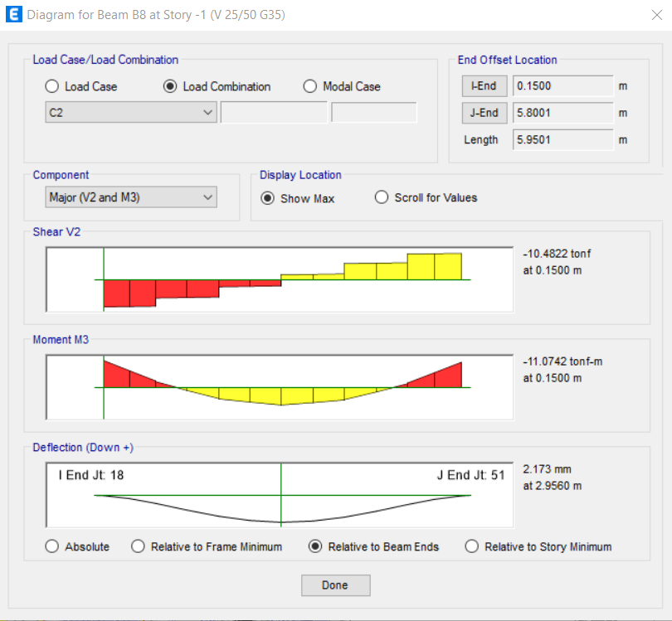
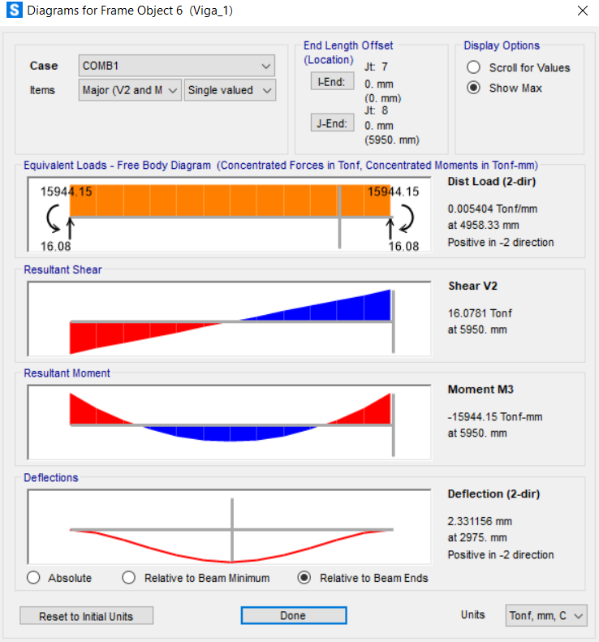
-1 | B8 | 8 | SY | LinRespSpec | Max | 3.455 | 0 | 0.0021 | 0 | 0 | 0 | 0.0068 | 46120 | 0.499 | 0
-1 | B8 | 8 | SY | LinRespSpec | Max | 3.9541 | 0 | 0.0021 | 0 | 0 | 0 | 0.006 | 46120 | 0.998 | 0
-1 | B8 | 8 | SY | LinRespSpec | Max | 3.9541 | 0 | 0.0065 | 0 | 0 | 0 | 0.0058 | 46150 | 0 | 0
-1 | B8 | 8 | SY | LinRespSpec | Max | 4.4531 | 0 | 0.0065 | 0 | 0 | 0 | 0.0031 | 46150 | 0.499 | 0
-1 | B8 | 8 | SY | LinRespSpec | Max | 4.9521 | 0 | 0.0065 | 0 | 0 | 0 | 0.0026 | 46150 | 0.998 | 0
-1 | B8 | 8 | SY | LinRespSpec | Max | 4.9521 | 0 | 0.0132 | 0 | 0 | 0 | 0.0028 | 46181 | 0 | 0
-1 | B8 | 8 | SY | LinRespSpec | Max | 5.3761 | 0 | 0.0132 | 0 | 0 | 0 | 0.0074 | 46181 | 0.424 | 0
-1 | B8 | 8 | SY | LinRespSpec | Max | 5.8001 | 0 | 0.0132 | 0 | 0 | 0 | 0.0129 | 46181 | 0.848 | 0
-1 | B8 | 8 | C1 | Combination | 0 | 0.15 | 0 | -5.7207 | 0 | 0 | 0 | -6.0007 | 46030 | 0.15 | 0
-1 | B8 | 8 | C1 | Combination | 0 | 0.555 | 0 | -5.5435 | 0 | 0 | 0 | -3.7196 | 46030 | 0.555 | 0
-1 | B8 | 8 | C1 | Combination | 0 | 0.96 | 0 | -5.3663 | 0 | 0 | 0 | -1.5104 | 46030 | 0.96 | 0
-1 | B8 | 8 | C1 | Combination | 0 | 0.96 | 0 | -3.8211 | 0 | 0 | 0 | -1.3371 | 46061 | 0 | 0
-1 | B8 | 8 | C1 | Combination | 0 | 1.459 | 0 | -3.6028 | 0 | 0 | 0 | 0.5152 | 46061 | 0.499 | 0
-1 | B8 | 8 | C1 | Combination | 0 | 1.958 | 0 | -3.3845 | 0 | 0 | 0 | 2.2586 | 46061 | 0.998 | 0
-1 | B8 | 8 | C1 | Combination | 0 | 1.958 | 0 | -1.5362 | 0 | 0 | 0 | 2.3459 | 46089 | 0 | 0
-1 | B8 | 8 | C1 | Combination | 0 | 2.457 | 0 | -1.3178 | 0 | 0 | 0 | 3.058 | 46089 | 0.499 | 0
-1 | B8 | 8 | C1 | Combination | 0 | 2.956 | 0 | -1.0995 | 0 | 0 | 0 | 3.6612 | 46089 | 0.998 | 0
-1 | B8 | 8 | C1 | Combination | 0 | 2.956 | 0 | 0.8292 | 0 | 0 | 0 | 3.666 | 46120 | 0 | 0
-1 | B8 | 8 | C1 | Combination | 0 | 3.455 | 0 | 1.0475 | 0 | 0 | 0 | 3.1977 | 46120 | 0.499 | 0
-1 | B8 | 8 | C1 | Combination | 0 | 3.9541 | 0 | 1.2658 | 0 | 0 | 0 | 2.6205 | 46120 | 0.998 | 0
-1 | B8 | 8 | C1 | Combination | 0 | 3.9541 | 0 | 3.1248 | 0 | 0 | 0 | 2.5426 | 46150 | 0 | 0
-1 | B8 | 8 | C1 | Combination | 0 | 4.4531 | 0 | 3.3431 | 0 | 0 | 0 | 0.9289 | 46150 | 0.499 | 0
-1 | B8 | 8 | C1 | Combination | 0 | 4.9521 | 0 | 3.5614 | 0 | 0 | 0 | -0.7938 | 46150 | 0.998 | 0
-1 | B8 | 8 | C1 | Combination | 0 | 4.9521 | 0 | 5.1793 | 0 | 0 | 0 | -0.955 | 46181 | 0 | 0
-1 | B8 | 8 | C1 | Combination | 0 | 5.3761 | 0 | 5.3648 | 0 | 0 | 0 | -3.1904 | 46181 | 0.424 | 0
-1 | B8 | 8 | C1 | Combination | 0 | 5.8001 | 0 | 5.5503 | 0 | 0 | 0 | -5.5045 | 46181 | 0.848 | 0
-1 | B8 | 8 | C2 | Combination | 0 | 0.15 | 0 | -10.4822 | 0 | 0 | 0 | -11.0742 | 46030 | 0.15 | 0
-1 | B8 | 8 | C2 | Combination | 0 | 0.555 | 0 | -10.3303 | 0 | 0 | 0 | -6.8597 | 46030 | 0.555 | 0
-1 | B8 | 8 | C2 | Combination | 0 | 0.96 | 0 | -10.1785 | 0 | 0 | 0 | -2.7067 | 46030 | 0.96 | 0
-1 | B8 | 8 | C2 | Combination | 0 | 0.96 | 0 | -7.0076 | 0 | 0 | 0 | -2.3803 | 46061 | 0 | 0
-1 | B8 | 8 | C2 | Combination | 0 | 1.459 | 0 | -6.8205 | 0 | 0 | 0 | 1.0698 | 46061 | 0.499 | 0
-1 | B8 | 8 | C2 | Combination | 0 | 1.958 | 0 | -6.6334 | 0 | 0 | 0 | 4.4267 | 46061 | 0.998 | 0
-1 | B8 | 8 | C2 | Combination | 0 | 1.958 | 0 | -2.6722 | 0 | 0 | 0 | 4.592 | 46089 | 0 | 0
-1 | B8 | 8 | C2 | Combination | 0 | 2.457 | 0 | -2.4851 | 0 | 0 | 0 | 5.8788 | 46089 | 0.499 | 0
-1 | B8 | 8 | C2 | Combination | 0 | 2.956 | 0 | -2.2979 | 0 | 0 | 0 | 7.0722 | 46089 | 0.998 | 0
-1 | B8 | 8 | C2 | Combination | 0 | 2.956 | 0 | 1.8753 | 0 | 0 | 0 | 7.0797 | 46120 | 0 | 0
-1 | B8 | 8 | C2 | Combination | 0 | 3.455 | 0 | 2.0625 | 0 | 0 | 0 | 6.0972 | 46120 | 0.499 | 0
-1 | B8 | 8 | C2 | Combination | 0 | 3.9541 | 0 | 2.2496 | 0 | 0 | 0 | 5.0213 | 46120 | 0.998 | 0
-1 | B8 | 8 | C2 | Combination | 0 | 3.9541 | 0 | 6.243 | 0 | 0 | 0 | 4.8705 | 46150 | 0 | 0
-1 | B8 | 8 | C2 | Combination | 0 | 4.4531 | 0 | 6.4301 | 0 | 0 | 0 | 1.7085 | 46150 | 0.499 | 0
-1 | B8 | 8 | C2 | Combination | 0 | 4.9521 | 0 | 6.6172 | 0 | 0 | 0 | -1.5469 | 46150 | 0.998 | 0
-1 | B8 | 8 | C2 | Combination | 0 | 4.9521 | 0 | 9.9374 | 0 | 0 | 0 | -1.8546 | 46181 | 0 | 0
-1 | B8 | 8 | C2 | Combination | 0 | 5.3761 | 0 | 10.0964 | 0 | 0 | 0 | -6.1018 | 46181 | 0.424 | 0
-1 | B8 | 8 | C2 | Combination | 0 | 5.8001 | 0 | 10.2554 | 0 | 0 | 0 | -10.4165 | 46181 | 0.848 | 0
-1 | B8 | 8 | C3 | Combination | Max | 0.15 | 0 | -3.6154 | 0 | 0 | 0 | -3.7556 | 46030 | 0.15 | 0
-1 | B8 | 8 | C3 | Combination | Max | 0.555 | 0 | -3.5015 | 0 | 0 | 0 | -2.3144 | 46030 | 0.555 | 0
-1 | B8 | 8 | C3 | Combination | Max | 0.96 | 0 | -3.3876 | 0 | 0 | 0 | -0.9194 | 46030 | 0.96 | 0
-1 | B8 | 8 | C3 | Combination | Max | 0.96 | 0 | -2.4244 | 0 | 0 | 0 | -0.8088 | 46061 | 0 | 0
-1 | B8 | 8 | C3 | Combination | Max | 1.459 | 0 | -2.2841 | 0 | 0 | 0 | 0.366 | 46061 | 0.499 | 0
-1 | B8 | 8 | C3 | Combination | Max | 1.958 | 0 | -2.1437 | 0 | 0 | 0 | 1.4708 | 46061 | 0.998 | 0
-1 | B8 | 8 | C3 | Combination | Max | 1.958 | 0 | -0.9627 | 0 | 0 | 0 | 1.526 | 46089 | 0 | 0
-1 | B8 | 8 | C3 | Combination | Max | 2.457 | 0 | -0.8223 | 0 | 0 | 0 | 1.9715 | 46089 | 0.499 | 0
-1 | B8 | 8 | C3 | Combination | Max | 2.956 | 0 | -0.682 | 0 | 0 | 0 | 2.3608 | 46089 | 0.998 | 0
-1 | B8 | 8 | C3 | Combination | Max | 2.956 | 0 | 0.5575 | 0 | 0 | 0 | 2.3648 | 46120 | 0 | 0
-1 | B8 | 8 | C3 | Combination | Max | 3.455 | 0 | 0.6978 | 0 | 0 | 0 | 2.0759 | 46120 | 0.499 | 0
-1 | B8 | 8 | C3 | Combination | Max | 3.9541 | 0 | 0.8382 | 0 | 0 | 0 | 1.717 | 46120 | 0.998 | 0
-1 | B8 | 8 | C3 | Combination | Max | 3.9541 | 0 | 2.0387 | 0 | 0 | 0 | 1.6679 | 46150 | 0 | 0
-1 | B8 | 8 | C3 | Combination | Max | 4.4531 | 0 | 2.1791 | 0 | 0 | 0 | 0.6454 | 46150 | 0.499 | 0
-1 | B8 | 8 | C3 | Combination | Max | 4.9521 | 0 | 2.3194 | 0 | 0 | 0 | -0.4471 | 46150 | 0.998 | 0
-1 | B8 | 8 | C3 | Combination | Max | 4.9521 | 0 | 3.3876 | 0 | 0 | 0 | -0.55 | 46181 | 0 | 0
-1 | B8 | 8 | C3 | Combination | Max | 5.3761 | 0 | 3.5068 | 0 | 0 | 0 | -1.9625 | 46181 | 0.424 | 0
-1 | B8 | 8 | C3 | Combination | Max | 5.8001 | 0 | 3.6261 | 0 | 0 | 0 | -3.4255 | 46181 | 0.848 | 0
-1 | B8 | 8 | C3 | Combination | Min | 0.15 | 0 | -3.7398 | 0 | 0 | 0 | -3.9595 | 46030 | 0.15 | 0
-1 | B8 | 8 | C3 | Combination | Min | 0.555 | 0 | -3.6259 | 0 | 0 | 0 | -2.468 | 46030 | 0.555 | 0
-1 | B8 | 8 | C3 | Combination | Min | 0.96 | 0 | -3.512 | 0 | 0 | 0 | -1.0226 | 46030 | 0.96 | 0
-1 | B8 | 8 | C3 | Combination | Min | 0.96 | 0 | -2.4885 | 0 | 0 | 0 | -0.9103 | 46061 | 0 | 0
-1 | B8 | 8 | C3 | Combination | Min | 1.459 | 0 | -2.3481 | 0 | 0 | 0 | 0.2964 | 46061 | 0.499 | 0
-1 | B8 | 8 | C3 | Combination | Min | 1.958 | 0 | -2.2078 | 0 | 0 | 0 | 1.4331 | 46061 | 0.998 | 0
-1 | B8 | 8 | C3 | Combination | Min | 1.958 | 0 | -1.0124 | 0 | 0 | 0 | 1.4903 | 46089 | 0 | 0
-1 | B8 | 8 | C3 | Combination | Min | 2.457 | 0 | -0.872 | 0 | 0 | 0 | 1.9602 | 46089 | 0.499 | 0
-1 | B8 | 8 | C3 | Combination | Min | 2.956 | 0 | -0.7317 | 0 | 0 | 0 | 2.3464 | 46089 | 0.998 | 0
-1 | B8 | 8 | C3 | Combination | Min | 2.956 | 0 | 0.5086 | 0 | 0 | 0 | 2.3486 | 46120 | 0 | 0
-1 | B8 | 8 | C3 | Combination | Min | 3.455 | 0 | 0.6489 | 0 | 0 | 0 | 2.0355 | 46120 | 0.499 | 0
-1 | B8 | 8 | C3 | Combination | Min | 3.9541 | 0 | 0.7893 | 0 | 0 | 0 | 1.6523 | 46120 | 0.998 | 0
-1 | B8 | 8 | C3 | Combination | Min | 3.9541 | 0 | 1.9788 | 0 | 0 | 0 | 1.6012 | 46150 | 0 | 0
-1 | B8 | 8 | C3 | Combination | Min | 4.4531 | 0 | 2.1192 | 0 | 0 | 0 | 0.5488 | 46150 | 0.499 | 0
-1 | B8 | 8 | C3 | Combination | Min | 4.9521 | 0 | 2.2595 | 0 | 0 | 0 | -0.5735 | 46150 | 0.998 | 0
-1 | B8 | 8 | C3 | Combination | Min | 4.9521 | 0 | 3.2715 | 0 | 0 | 0 | -0.6779 | 46181 | 0 | 0
-1 | B8 | 8 | C3 | Combination | Min | 5.3761 | 0 | 3.3908 | 0 | 0 | 0 | -2.1395 | 46181 | 0.424 | 0
-1 | B8 | 8 | C3 | Combination | Min | 5.8001 | 0 | 3.51 | 0 | 0 | 0 | -3.6517 | 46181 | 0.848 | 0
-1 | B8 | 8 | C5 | Combination | Max | 0.15 | 0 | -8.3279 | 0 | 0 | 0 | -8.7482 | 46030 | 0.15 | 0
-1 | B8 | 8 | C5 | Combination | Max | 0.555 | 0 | -8.1761 | 0 | 0 | 0 | -5.4061 | 46030 | 0.555 | 0
-1 | B8 | 8 | C5 | Combination | Max | 0.96 | 0 | -8.0242 | 0 | 0 | 0 | -2.1256 | 46030 | 0.96 | 0
-1 | B8 | 8 | C5 | Combination | Max | 0.96 | 0 | -5.576 | 0 | 0 | 0 | -1.8667 | 46061 | 0 | 0
-1 | B8 | 8 | C5 | Combination | Max | 1.459 | 0 | -5.3888 | 0 | 0 | 0 | 0.8691 | 46061 | 0.499 | 0
-1 | B8 | 8 | C5 | Combination | Max | 1.958 | 0 | -5.2017 | 0 | 0 | 0 | 3.5115 | 46061 | 0.998 | 0
-1 | B8 | 8 | C5 | Combination | Max | 1.958 | 0 | -2.139 | 0 | 0 | 0 | 3.6419 | 46089 | 0 | 0
-1 | B8 | 8 | C5 | Combination | Max | 2.457 | 0 | -1.9519 | 0 | 0 | 0 | 4.6628 | 46089 | 0.499 | 0
-1 | B8 | 8 | C5 | Combination | Max | 2.956 | 0 | -1.7648 | 0 | 0 | 0 | 5.6042 | 46089 | 0.998 | 0
-1 | B8 | 8 | C5 | Combination | Max | 2.956 | 0 | 1.463 | 0 | 0 | 0 | 5.6113 | 46120 | 0 | 0
-1 | B8 | 8 | C5 | Combination | Max | 3.455 | 0 | 1.6502 | 0 | 0 | 0 | 4.8588 | 46120 | 0.499 | 0
-1 | B8 | 8 | C5 | Combination | Max | 3.9541 | 0 | 1.8373 | 0 | 0 | 0 | 4.013 | 46120 | 0.998 | 0
-1 | B8 | 8 | C5 | Combination | Max | 3.9541 | 0 | 4.9362 | 0 | 0 | 0 | 3.8947 | 46150 | 0 | 0
-1 | B8 | 8 | C5 | Combination | Max | 4.4531 | 0 | 5.1233 | 0 | 0 | 0 | 1.4147 | 46150 | 0.499 | 0
-1 | B8 | 8 | C5 | Combination | Max | 4.9521 | 0 | 5.3105 | 0 | 0 | 0 | -1.1587 | 46150 | 0.998 | 0
-1 | B8 | 8 | C5 | Combination | Max | 4.9521 | 0 | 7.9337 | 0 | 0 | 0 | -1.4022 | 46181 | 0 | 0
-1 | B8 | 8 | C5 | Combination | Max | 5.3761 | 0 | 8.0927 | 0 | 0 | 0 | -4.7506 | 46181 | 0.424 | 0
-1 | B8 | 8 | C5 | Combination | Max | 5.8001 | 0 | 8.2517 | 0 | 0 | 0 | -8.1665 | 46181 | 0.848 | 0
-1 | B8 | 8 | C5 | Combination | Min | 0.15 | 0 | -8.4524 | 0 | 0 | 0 | -8.9522 | 46030 | 0.15 | 0
-1 | B8 | 8 | C5 | Combination | Min | 0.555 | 0 | -8.3005 | 0 | 0 | 0 | -5.5597 | 46030 | 0.555 | 0
-1 | B8 | 8 | C5 | Combination | Min | 0.96 | 0 | -8.1487 | 0 | 0 | 0 | -2.2288 | 46030 | 0.96 | 0
-1 | B8 | 8 | C5 | Combination | Min | 0.96 | 0 | -5.64 | 0 | 0 | 0 | -1.9682 | 46061 | 0 | 0
-1 | B8 | 8 | C5 | Combination | Min | 1.459 | 0 | -5.4529 | 0 | 0 | 0 | 0.7995 | 46061 | 0.499 | 0
-1 | B8 | 8 | C5 | Combination | Min | 1.958 | 0 | -5.2658 | 0 | 0 | 0 | 3.4738 | 46061 | 0.998 | 0
-1 | B8 | 8 | C5 | Combination | Min | 1.958 | 0 | -2.1888 | 0 | 0 | 0 | 3.6062 | 46089 | 0 | 0
-1 | B8 | 8 | C5 | Combination | Min | 2.457 | 0 | -2.0016 | 0 | 0 | 0 | 4.6516 | 46089 | 0.499 | 0
-1 | B8 | 8 | C5 | Combination | Min | 2.956 | 0 | -1.8145 | 0 | 0 | 0 | 5.5897 | 46089 | 0.998 | 0
-1 | B8 | 8 | C5 | Combination | Min | 2.956 | 0 | 1.4142 | 0 | 0 | 0 | 5.5951 | 46120 | 0 | 0
-1 | B8 | 8 | C5 | Combination | Min | 3.455 | 0 | 1.6013 | 0 | 0 | 0 | 4.8184 | 46120 | 0.499 | 0
-1 | B8 | 8 | C5 | Combination | Min | 3.9541 | 0 | 1.7884 | 0 | 0 | 0 | 3.9483 | 46120 | 0.998 | 0
-1 | B8 | 8 | C5 | Combination | Min | 3.9541 | 0 | 4.8763 | 0 | 0 | 0 | 3.828 | 46150 | 0 | 0
-1 | B8 | 8 | C5 | Combination | Min | 4.4531 | 0 | 5.0634 | 0 | 0 | 0 | 1.3181 | 46150 | 0.499 | 0
-1 | B8 | 8 | C5 | Combination | Min | 4.9521 | 0 | 5.2506 | 0 | 0 | 0 | -1.2852 | 46150 | 0.998 | 0
-1 | B8 | 8 | C5 | Combination | Min | 4.9521 | 0 | 7.8176 | 0 | 0 | 0 | -1.53 | 46181 | 0 | 0
-1 | B8 | 8 | C5 | Combination | Min | 5.3761 | 0 | 7.9766 | 0 | 0 | 0 | -4.9276 | 46181 | 0.424 | 0
-1 | B8 | 8 | C5 | Combination | Min | 5.8001 | 0 | 8.1356 | 0 | 0 | 0 | -8.3927 | 46181 | 0.848 | 0
-1 | B8 | 8 | C6 | Combination | Max | 0.15 | 0 | -8.3706 | 0 | 0 | 0 | -8.83 | 46030 | 0.15 | 0
-1 | B8 | 8 | C6 | Combination | Max | 0.555 | 0 | -8.2187 | 0 | 0 | 0 | -5.4706 | 46030 | 0.555 | 0
-1 | B8 | 8 | C6 | Combination | Max | 0.96 | 0 | -8.0668 | 0 | 0 | 0 | -2.1725 | 46030 | 0.96 | 0
-1 | B8 | 8 | C6 | Combination | Max | 0.96 | 0 | -5.598 | 0 | 0 | 0 | -1.9131 | 46061 | 0 | 0
-1 | B8 | 8 | C6 | Combination | Max | 1.459 | 0 | -5.4108 | 0 | 0 | 0 | 0.8368 | 46061 | 0.499 | 0
-1 | B8 | 8 | C6 | Combination | Max | 1.958 | 0 | -5.2237 | 0 | 0 | 0 | 3.4992 | 46061 | 0.998 | 0
-1 | B8 | 8 | C6 | Combination | Max | 1.958 | 0 | -2.1597 | 0 | 0 | 0 | 3.631 | 46089 | 0 | 0
-1 | B8 | 8 | C6 | Combination | Max | 2.457 | 0 | -1.9725 | 0 | 0 | 0 | 4.666 | 46089 | 0.499 | 0
-1 | B8 | 8 | C6 | Combination | Max | 2.956 | 0 | -1.7854 | 0 | 0 | 0 | 5.6077 | 46089 | 0.998 | 0
-1 | B8 | 8 | C6 | Combination | Max | 2.956 | 0 | 1.4416 | 0 | 0 | 0 | 5.614 | 46120 | 0 | 0
-1 | B8 | 8 | C6 | Combination | Max | 3.455 | 0 | 1.6287 | 0 | 0 | 0 | 4.8482 | 46120 | 0.499 | 0
-1 | B8 | 8 | C6 | Combination | Max | 3.9541 | 0 | 1.8158 | 0 | 0 | 0 | 3.989 | 46120 | 0.998 | 0
-1 | B8 | 8 | C6 | Combination | Max | 3.9541 | 0 | 4.9154 | 0 | 0 | 0 | 3.8695 | 46150 | 0 | 0
-1 | B8 | 8 | C6 | Combination | Max | 4.4531 | 0 | 5.1025 | 0 | 0 | 0 | 1.3708 | 46150 | 0.499 | 0
-1 | B8 | 8 | C6 | Combination | Max | 4.9521 | 0 | 5.2896 | 0 | 0 | 0 | -1.2183 | 46150 | 0.998 | 0
-1 | B8 | 8 | C6 | Combination | Max | 4.9521 | 0 | 7.8941 | 0 | 0 | 0 | -1.4622 | 46181 | 0 | 0
-1 | B8 | 8 | C6 | Combination | Max | 5.3761 | 0 | 8.0531 | 0 | 0 | 0 | -4.8287 | 46181 | 0.424 | 0
-1 | B8 | 8 | C6 | Combination | Max | 5.8001 | 0 | 8.2121 | 0 | 0 | 0 | -8.2616 | 46181 | 0.848 | 0
-1 | B8 | 8 | C6 | Combination | Min | 0.15 | 0 | -8.4098 | 0 | 0 | 0 | -8.8704 | 46030 | 0.15 | 0
-1 | B8 | 8 | C6 | Combination | Min | 0.555 | 0 | -8.2579 | 0 | 0 | 0 | -5.4952 | 46030 | 0.555 | 0
-1 | B8 | 8 | C6 | Combination | Min | 0.96 | 0 | -8.106 | 0 | 0 | 0 | -2.1819 | 46030 | 0.96 | 0
-1 | B8 | 8 | C6 | Combination | Min | 0.96 | 0 | -5.618 | 0 | 0 | 0 | -1.9218 | 46061 | 0 | 0
-1 | B8 | 8 | C6 | Combination | Min | 1.459 | 0 | -5.4309 | 0 | 0 | 0 | 0.8318 | 46061 | 0.499 | 0
-1 | B8 | 8 | C6 | Combination | Min | 1.958 | 0 | -5.2438 | 0 | 0 | 0 | 3.486 | 46061 | 0.998 | 0
-1 | B8 | 8 | C6 | Combination | Min | 1.958 | 0 | -2.1681 | 0 | 0 | 0 | 3.6172 | 46089 | 0 | 0
-1 | B8 | 8 | C6 | Combination | Min | 2.457 | 0 | -1.981 | 0 | 0 | 0 | 4.6484 | 46089 | 0.499 | 0
-1 | B8 | 8 | C6 | Combination | Min | 2.956 | 0 | -1.7939 | 0 | 0 | 0 | 5.5861 | 46089 | 0.998 | 0
-1 | B8 | 8 | C6 | Combination | Min | 2.956 | 0 | 1.4356 | 0 | 0 | 0 | 5.5923 | 46120 | 0 | 0
-1 | B8 | 8 | C6 | Combination | Min | 3.455 | 0 | 1.6228 | 0 | 0 | 0 | 4.829 | 46120 | 0.499 | 0
-1 | B8 | 8 | C6 | Combination | Min | 3.9541 | 0 | 1.8099 | 0 | 0 | 0 | 3.9723 | 46120 | 0.998 | 0
-1 | B8 | 8 | C6 | Combination | Min | 3.9541 | 0 | 4.8971 | 0 | 0 | 0 | 3.8532 | 46150 | 0 | 0
-1 | B8 | 8 | C6 | Combination | Min | 4.4531 | 0 | 5.0843 | 0 | 0 | 0 | 1.362 | 46150 | 0.499 | 0
-1 | B8 | 8 | C6 | Combination | Min | 4.9521 | 0 | 5.2714 | 0 | 0 | 0 | -1.2256 | 46150 | 0.998 | 0
-1 | B8 | 8 | C6 | Combination | Min | 4.9521 | 0 | 7.8572 | 0 | 0 | 0 | -1.47 | 46181 | 0 | 0
-1 | B8 | 8 | C6 | Combination | Min | 5.3761 | 0 | 8.0162 | 0 | 0 | 0 | -4.8496 | 46181 | 0.424 | 0
-1 | B8 | 8 | C6 | Combination | Min | 5.8001 | 0 | 8.1752 | 0 | 0 | 0 | -8.2976 | 46181 | 0.848 | 0
-1 | B8 | 8 | ENVC | Combination | Max | 0.15 | 0 | -3.6154 | 0 | 0 | 0 | -3.7556 | 46030 | 0.15 | 0
-1 | B8 | 8 | ENVC | Combination | Max | 0.555 | 0 | -3.5015 | 0 | 0 | 0 | -2.3144 | 46030 | 0.555 | 0
-1 | B8 | 8 | ENVC | Combination | Max | 0.96 | 0 | -3.3876 | 0 | 0 | 0 | -0.9194 | 46030 | 0.96 | 0
-1 | B8 | 8 | ENVC | Combination | Max | 0.96 | 0 | -2.4244 | 0 | 0 | 0 | -0.8088 | 46061 | 0 | 0
-1 | B8 | 8 | ENVC | Combination | Max | 1.459 | 0 | -2.2841 | 0 | 0 | 0 | 1.0698 | 46061 | 0.499 | 0
-1 | B8 | 8 | ENVC | Combination | Max | 1.958 | 0 | -2.1437 | 0 | 0 | 0 | 4.4267 | 46061 | 0.998 | 0
-1 | B8 | 8 | ENVC | Combination | Max | 1.958 | 0 | -0.9627 | 0 | 0 | 0 | 4.592 | 46089 | 0 | 0
-1 | B8 | 8 | ENVC | Combination | Max | 2.457 | 0 | -0.8223 | 0 | 0 | 0 | 5.8788 | 46089 | 0.499 | 0
-1 | B8 | 8 | ENVC | Combination | Max | 2.956 | 0 | -0.682 | 0 | 0 | 0 | 7.0722 | 46089 | 0.998 | 0
-1 | B8 | 8 | ENVC | Combination | Max | 2.956 | 0 | 1.8753 | 0 | 0 | 0 | 7.0797 | 46120 | 0 | 0
-1 | B8 | 8 | ENVC | Combination | Max | 3.455 | 0 | 2.0625 | 0 | 0 | 0 | 6.0972 | 46120 | 0.499 | 0
-1 | B8 | 8 | ENVC | Combination | Max | 3.9541 | 0 | 2.2496 | 0 | 0 | 0 | 5.0213 | 46120 | 0.998 | 0
-1 | B8 | 8 | ENVC | Combination | Max | 3.9541 | 0 | 6.243 | 0 | 0 | 0 | 4.8705 | 46150 | 0 | 0
-1 | B8 | 8 | ENVC | Combination | Max | 4.4531 | 0 | 6.4301 | 0 | 0 | 0 | 1.7085 | 46150 | 0.499 | 0
-1 | B8 | 8 | ENVC | Combination | Max | 4.9521 | 0 | 6.6172 | 0 | 0 | 0 | -0.4471 | 46150 | 0.998 | 0
-1 | B8 | 8 | ENVC | Combination | Max | 4.9521 | 0 | 9.9374 | 0 | 0 | 0 | -0.55 | 46181 | 0 | 0
-1 | B8 | 8 | ENVC | Combination | Max | 5.3761 | 0 | 10.0964 | 0 | 0 | 0 | -1.9625 | 46181 | 0.424 | 0
-1 | B8 | 8 | ENVC | Combination | Max | 5.8001 | 0 | 10.2554 | 0 | 0 | 0 | -3.4255 | 46181 | 0.848 | 0
-1 | B8 | 8 | ENVC | Combination | Min | 0.15 | 0 | -10.4822 | 0 | 0 | 0 | -11.0742 | 46030 | 0.15 | 0
-1 | B8 | 8 | ENVC | Combination | Min | 0.555 | 0 | -10.3303 | 0 | 0 | 0 | -6.8597 | 46030 | 0.555 | 0
-1 | B8 | 8 | ENVC | Combination | Min | 0.96 | 0 | -10.1785 | 0 | 0 | 0 | -2.7067 | 46030 | 0.96 | 0
-1 | B8 | 8 | ENVC | Combination | Min | 0.96 | 0 | -7.0076 | 0 | 0 | 0 | -2.3803 | 46061 | 0 | 0
-1 | B8 | 8 | ENVC | Combination | Min | 1.459 | 0 | -6.8205 | 0 | 0 | 0 | 0.2964 | 46061 | 0.499 | 0
-1 | B8 | 8 | ENVC | Combination | Min | 1.958 | 0 | -6.6334 | 0 | 0 | 0 | 1.4331 | 46061 | 0.998 | 0
-1 | B8 | 8 | ENVC | Combination | Min | 1.958 | 0 | -2.6722 | 0 | 0 | 0 | 1.4903 | 46089 | 0 | 0
-1 | B8 | 8 | ENVC | Combination | Min | 2.457 | 0 | -2.4851 | 0 | 0 | 0 | 1.9571 | 46089 | 0.499 | 0
-1 | B8 | 8 | ENVC | Combination | Min | 2.956 | 0 | -2.2979 | 0 | 0 | 0 | 2.3428 | 46089 | 0.998 | 0
-1 | B8 | 8 | ENVC | Combination | Min | 2.956 | 0 | 0.5086 | 0 | 0 | 0 | 2.3459 | 46120 | 0 | 0
-1 | B8 | 8 | ENVC | Combination | Min | 3.455 | 0 | 0.6489 | 0 | 0 | 0 | 2.0355 | 46120 | 0.499 | 0
-1 | B8 | 8 | ENVC | Combination | Min | 3.9541 | 0 | 0.7893 | 0 | 0 | 0 | 1.6523 | 46120 | 0.998 | 0
-1 | B8 | 8 | ENVC | Combination | Min | 3.9541 | 0 | 1.9788 | 0 | 0 | 0 | 1.6012 | 46150 | 0 | 0
-1 | B8 | 8 | ENVC | Combination | Min | 4.4531 | 0 | 2.1192 | 0 | 0 | 0 | 0.5488 | 46150 | 0.499 | 0
-1 | B8 | 8 | ENVC | Combination | Min | 4.9521 | 0 | 2.2595 | 0 | 0 | 0 | -1.5469 | 46150 | 0.998 | 0
-1 | B8 | 8 | ENVC | Combination | Min | 4.9521 | 0 | 3.2715 | 0 | 0 | 0 | -1.8546 | 46181 | 0 | 0
-1 | B8 | 8 | ENVC | Combination | Min | 5.3761 | 0 | 3.3908 | 0 | 0 | 0 | -6.1018 | 46181 | 0.424 | 0
-1 | B8 | 8 | ENVC | Combination | Min | 5.8001 | 0 | 3.51 | 0 | 0 | 0 | -10.4165 | 46181 | 0.848 | 0
-1 | B8 | 8 | C4 | Combination | Max | 0.15 | 0 | -3.658 | 0 | 0 | 0 | -3.8374 | 46030 | 0.15 | 0
-1 | B8 | 8 | C4 | Combination | Max | 0.555 | 0 | -3.5441 | 0 | 0 | 0 | -2.3789 | 46030 | 0.555 | 0
-1 | B8 | 8 | C4 | Combination | Max | 0.96 | 0 | -3.4302 | 0 | 0 | 0 | -0.9663 | 46030 | 0.96 | 0
-1 | B8 | 8 | C4 | Combination | Max | 0.96 | 0 | -2.4464 | 0 | 0 | 0 | -0.8552 | 46061 | 0 | 0
-1 | B8 | 8 | C4 | Combination | Max | 1.459 | 0 | -2.3061 | 0 | 0 | 0 | 0.3337 | 46061 | 0.499 | 0
-1 | B8 | 8 | C4 | Combination | Max | 1.958 | 0 | -2.1657 | 0 | 0 | 0 | 1.4586 | 46061 | 0.998 | 0
-1 | B8 | 8 | C4 | Combination | Max | 1.958 | 0 | -0.9833 | 0 | 0 | 0 | 1.515 | 46089 | 0 | 0
-1 | B8 | 8 | C4 | Combination | Max | 2.457 | 0 | -0.843 | 0 | 0 | 0 | 1.9747 | 46089 | 0.499 | 0
-1 | B8 | 8 | C4 | Combination | Max | 2.956 | 0 | -0.7026 | 0 | 0 | 0 | 2.3644 | 46089 | 0.998 | 0
-1 | B8 | 8 | C4 | Combination | Max | 2.956 | 0 | 0.536 | 0 | 0 | 0 | 2.3675 | 46120 | 0 | 0
-1 | B8 | 8 | C4 | Combination | Max | 3.455 | 0 | 0.6764 | 0 | 0 | 0 | 2.0652 | 46120 | 0.499 | 0
-1 | B8 | 8 | C4 | Combination | Max | 3.9541 | 0 | 0.8167 | 0 | 0 | 0 | 1.693 | 46120 | 0.998 | 0
-1 | B8 | 8 | C4 | Combination | Max | 3.9541 | 0 | 2.0179 | 0 | 0 | 0 | 1.6427 | 46150 | 0 | 0
-1 | B8 | 8 | C4 | Combination | Max | 4.4531 | 0 | 2.1583 | 0 | 0 | 0 | 0.6015 | 46150 | 0.499 | 0
-1 | B8 | 8 | C4 | Combination | Max | 4.9521 | 0 | 2.2986 | 0 | 0 | 0 | -0.5066 | 46150 | 0.998 | 0
-1 | B8 | 8 | C4 | Combination | Max | 4.9521 | 0 | 3.348 | 0 | 0 | 0 | -0.6101 | 46181 | 0 | 0
-1 | B8 | 8 | C4 | Combination | Max | 5.3761 | 0 | 3.4673 | 0 | 0 | 0 | -2.0406 | 46181 | 0.424 | 0
-1 | B8 | 8 | C4 | Combination | Max | 5.8001 | 0 | 3.5865 | 0 | 0 | 0 | -3.5206 | 46181 | 0.848 | 0
-1 | B8 | 8 | C4 | Combination | Min | 0.15 | 0 | -3.6972 | 0 | 0 | 0 | -3.8777 | 46030 | 0.15 | 0
-1 | B8 | 8 | C4 | Combination | Min | 0.555 | 0 | -3.5833 | 0 | 0 | 0 | -2.4035 | 46030 | 0.555 | 0
-1 | B8 | 8 | C4 | Combination | Min | 0.96 | 0 | -3.4694 | 0 | 0 | 0 | -0.9757 | 46030 | 0.96 | 0
-1 | B8 | 8 | C4 | Combination | Min | 0.96 | 0 | -2.4665 | 0 | 0 | 0 | -0.8639 | 46061 | 0 | 0
-1 | B8 | 8 | C4 | Combination | Min | 1.459 | 0 | -2.3261 | 0 | 0 | 0 | 0.3287 | 46061 | 0.499 | 0
-1 | B8 | 8 | C4 | Combination | Min | 1.958 | 0 | -2.1858 | 0 | 0 | 0 | 1.4454 | 46061 | 0.998 | 0
-1 | B8 | 8 | C4 | Combination | Min | 1.958 | 0 | -0.9918 | 0 | 0 | 0 | 1.5012 | 46089 | 0 | 0
-1 | B8 | 8 | C4 | Combination | Min | 2.457 | 0 | -0.8514 | 0 | 0 | 0 | 1.9571 | 46089 | 0.499 | 0
-1 | B8 | 8 | C4 | Combination | Min | 2.956 | 0 | -0.7111 | 0 | 0 | 0 | 2.3428 | 46089 | 0.998 | 0
-1 | B8 | 8 | C4 | Combination | Min | 2.956 | 0 | 0.5301 | 0 | 0 | 0 | 2.3459 | 46120 | 0 | 0
-1 | B8 | 8 | C4 | Combination | Min | 3.455 | 0 | 0.6704 | 0 | 0 | 0 | 2.0461 | 46120 | 0.499 | 0
-1 | B8 | 8 | C4 | Combination | Min | 3.9541 | 0 | 0.8107 | 0 | 0 | 0 | 1.6763 | 46120 | 0.998 | 0
-1 | B8 | 8 | C4 | Combination | Min | 3.9541 | 0 | 1.9997 | 0 | 0 | 0 | 1.6264 | 46150 | 0 | 0
-1 | B8 | 8 | C4 | Combination | Min | 4.4531 | 0 | 2.14 | 0 | 0 | 0 | 0.5927 | 46150 | 0.499 | 0
-1 | B8 | 8 | C4 | Combination | Min | 4.9521 | 0 | 2.2804 | 0 | 0 | 0 | -0.514 | 46150 | 0.998 | 0
-1 | B8 | 8 | C4 | Combination | Min | 4.9521 | 0 | 3.3111 | 0 | 0 | 0 | -0.6178 | 46181 | 0 | 0
-1 | B8 | 8 | C4 | Combination | Min | 5.3761 | 0 | 3.4304 | 0 | 0 | 0 | -2.0614 | 46181 | 0.424 | 0
-1 | B8 | 8 | C4 | Combination | Min | 5.8001 | 0 | 3.5496 | 0 | 0 | 0 | -3.5566 | 46181 | 0.848 | 0
-1 | B8 | 8 | PPSC | Combination | 0 | 0.15 | 0 | -7.5729 | 0 | 0 | 0 | -7.993 | 46030 | 0.15 | 0
-1 | B8 | 8 | PPSC | Combination | 0 | 0.555 | 0 | -7.4464 | 0 | 0 | 0 | -4.9515 | 46030 | 0.555 | 0
-1 | B8 | 8 | PPSC | Combination | 0 | 0.96 | 0 | -7.3198 | 0 | 0 | 0 | -1.9614 | 46030 | 0.96 | 0
-1 | B8 | 8 | PPSC | Combination | 0 | 0.96 | 0 | -5.0621 | 0 | 0 | 0 | -1.7265 | 46061 | 0 | 0
-1 | B8 | 8 | PPSC | Combination | 0 | 1.459 | 0 | -4.9062 | 0 | 0 | 0 | 0.7607 | 46061 | 0.499 | 0
-1 | B8 | 8 | PPSC | Combination | 0 | 1.958 | 0 | -4.7502 | 0 | 0 | 0 | 3.17 | 46061 | 0.998 | 0
-1 | B8 | 8 | PPSC | Combination | 0 | 1.958 | 0 | -1.9444 | 0 | 0 | 0 | 3.2889 | 46089 | 0 | 0
-1 | B8 | 8 | PPSC | Combination | 0 | 2.457 | 0 | -1.7885 | 0 | 0 | 0 | 4.2203 | 46089 | 0.499 | 0
-1 | B8 | 8 | PPSC | Combination | 0 | 2.956 | 0 | -1.6326 | 0 | 0 | 0 | 5.0739 | 46089 | 0.998 | 0
-1 | B8 | 8 | PPSC | Combination | 0 | 2.956 | 0 | 1.3202 | 0 | 0 | 0 | 5.0794 | 46120 | 0 | 0
-1 | B8 | 8 | PPSC | Combination | 0 | 3.455 | 0 | 1.4761 | 0 | 0 | 0 | 4.3818 | 46120 | 0.499 | 0
-1 | B8 | 8 | PPSC | Combination | 0 | 3.9541 | 0 | 1.632 | 0 | 0 | 0 | 3.6063 | 46120 | 0.998 | 0
-1 | B8 | 8 | PPSC | Combination | 0 | 3.9541 | 0 | 4.4599 | 0 | 0 | 0 | 3.4981 | 46150 | 0 | 0
-1 | B8 | 8 | PPSC | Combination | 0 | 4.4531 | 0 | 4.6158 | 0 | 0 | 0 | 1.2337 | 46150 | 0.499 | 0
-1 | B8 | 8 | PPSC | Combination | 0 | 4.9521 | 0 | 4.7717 | 0 | 0 | 0 | -1.1085 | 46150 | 0.998 | 0
-1 | B8 | 8 | PPSC | Combination | 0 | 4.9521 | 0 | 7.1357 | 0 | 0 | 0 | -1.3296 | 46181 | 0 | 0
-1 | B8 | 8 | PPSC | Combination | 0 | 5.3761 | 0 | 7.2682 | 0 | 0 | 0 | -4.3834 | 46181 | 0.424 | 0
-1 | B8 | 8 | PPSC | Combination | 0 | 5.8001 | 0 | 7.4007 | 0 | 0 | 0 | -7.4932 | 46181 | 0.848 | 0

B15
Story | Beam | Unique Name | Output Case | Case Type | Step Type | Station | P | V2 | V3 | T | M2 | M3 | Element | Elem Station | Location
 |  |  |  |  |  | m | tonf | tonf | tonf | tonf-m | tonf-m | tonf-m |  | m
-1 | B15 | 15 | PP | LinStatic | 0 | 0.15 | 0 | -3.8744 | 0 | 0 | 0 | -3.8181 | 46037 | 0.15 | 0 | Mmax | 6.3142 | tonfm
-1 | B15 | 15 | PP | LinStatic | 0 | 0.49 | 0 | -3.7682 | 0 | 0 | 0 | -2.519 | 46037 | 0.49 | 0 | Mmin | -19.4211 | tonfm |  |  |  |  | fc | 35 | 0.85
-1 | B15 | 15 | PP | LinStatic | 0 | 0.83 | 0 | -3.6619 | 0 | 0 | 0 | -1.2559 | 46037 | 0.83 | 0 |  |  |  |  |  |  |  |  |  | 0.65
-1 | B15 | 15 | PP | LinStatic | 0 | 0.83 | 0 | -2.7712 | 0 | 0 | 0 | -1.1156 | 46068 | 0 | 0 | Vmax | 12.7914 | tonf |  |  |  |  |  |  | 0.8
-1 | B15 | 15 | PP | LinStatic | 0 | 1.2449 | 0 | -2.6416 | 0 | 0 | 0 | 0.0075 | 46068 | 0.415 | 0 | Vmin | -9.9924 | tonf
-1 | B15 | 15 | PP | LinStatic | 0 | 1.6599 | 0 | -2.5119 | 0 | 0 | 0 | 1.0768 | 46068 | 0.83 | 0 |  |  |  |  |  | Flexión |  |  |  |  | Corte
-1 | B15 | 15 | PP | LinStatic | 0 | 1.6599 | 0 | -1.3954 | 0 | 0 | 0 | 1.1565 | 46096 | 0 | 0 | Geometría del perfil |  |  |  |  | Diámetro | Área | Unidades | Área total |  | Diámetro | Área | Unidades | Área total
-1 | B15 | 15 | PP | LinStatic | 0 | 2.1347 | 0 | -1.247 | 0 | 0 | 0 | 1.7838 | 46096 | 0.4748 | 0 | h | 0.5 | m |  |  | mm | mm^2 |  | mm^2 |  | mm | mm^2 |  | mm^2
-1 | B15 | 15 | PP | LinStatic | 0 | 2.6095 | 0 | -1.0986 | 0 | 0 | 0 | 2.3407 | 46096 | 0.9496 | 0 | b | 0.25 | m |  |  | 8 | 50.27 |  | 0 |  | 8 | 50.27 | 1 | 50.265482457
-1 | B15 | 15 | PP | LinStatic | 0 | 2.6095 | 0 | 0.205 | 0 | 0 | 0 | 2.3572 | 46127 | 0 | 0 | rec | 5 | cm |  |  | 10 | 78.54 |  | 0 |  | 10 | 78.54 |  | 0
-1 | B15 | 15 | PP | LinStatic | 0 | 3.0844 | 0 | 0.3534 | 0 | 0 | 0 | 2.2247 | 46127 | 0.4748 | 0 | d | 0.45 | m |  |  | 12 | 113.10 |  | 0 |  | 12 | 113.10 |  | 0
-1 | B15 | 15 | PP | LinStatic | 0 | 3.5592 | 0 | 0.5018 | 0 | 0 | 0 | 2.0216 | 46127 | 0.9496 | 0 |  |  |  |  |  | 16 | 201.06 |  | 0 |  | 16 | 201.06 |  | 0
-1 | B15 | 15 | PP | LinStatic | 0 | 3.5592 | 0 | 1.8126 | 0 | 0 | 0 | 1.9789 | 46157 | 0 | 0 | Características |  |  |  |  | 18 | 254.47 | 0 | 0 |  | 18 | 254.47 | 0 | 0
-1 | B15 | 15 | PP | LinStatic | 0 | 4.034 | 0 | 1.961 | 0 | 0 | 0 | 1.083 | 46157 | 0.4748 | 0 |  |  |  |  |  | 22 | 380.13 | 4 | 1520.5308443 |  | 22 | 380.13 | 0 | 0
-1 | B15 | 15 | PP | LinStatic | 0 | 4.5088 | 0 | 2.1093 | 0 | 0 | 0 | 0.1167 | 46157 | 0.9496 | 0 | f'c | 35 | Mpa |  |  | 25 | 490.87 |  | 0 |  | 25 | 490.87 |  | 0
-1 | B15 | 15 | PP | LinStatic | 0 | 4.5088 | 0 | 3.3452 | 0 | 0 | 0 | 0.0151 | 46188 | 0 | 0 | E | 27.805574981 | Gpa |  |  | 28 | 615.75 |  | 0 |  | 28 | 615.75 |  | 0
-1 | B15 | 15 | PP | LinStatic | 0 | 4.9836 | 0 | 3.4936 | 0 | 0 | 0 | -1.6085 | 46188 | 0.4748 | 0 | f'c | 3433.5 | tonf/m^2 |  |  | 32 | 804.25 |  | 0 |  | 32 | 804.25 |  | 0
-1 | B15 | 15 | PP | LinStatic | 0 | 5.4584 | 0 | 3.642 | 0 | 0 | 0 | -3.3026 | 46188 | 0.9496 | 0 | E | 2797985.5879 | tonf/m^2 |  |  | 36 | 1017.88 |  | 0 |  | 36 | 1017.88 |  | 0
-1 | B15 | 15 | PP | LinStatic | 0 | 5.4584 | 0 | 4.672 | 0 | 0 | 0 | -3.4641 | 46218 | 0 | 0 | I | 0.0026041666667 | m^4 |  |  | 40 | 1256.64 |  | 0 |  | 40 | 1256.64 |  | 0
-1 | B15 | 15 | PP | LinStatic | 0 | 5.8582 | 0 | 4.797 | 0 | 0 | 0 | -5.357 | 46218 | 0.3998 | 0 | fy | 420 | MPa
-1 | B15 | 15 | PP | LinStatic | 0 | 6.2581 | 0 | 4.9219 | 0 | 0 | 0 | -7.2999 | 46218 | 0.7996 | 0 | fy | 41202 | tonf/m^2 |  |  | Área máxima |  |  | 2390.625 | mm^2
-1 | B15 | 15 | SC | LinStatic | 0 | 0.15 | 0 | -3.3394 | 0 | 0 | 0 | -3.4359 | 46037 | 0.15 | 0 | e_c | 0.003 |  |  |  | Área mínima |  |  | 375 | mm^2
-1 | B15 | 15 | SC | LinStatic | 0 | 0.49 | 0 | -3.3394 | 0 | 0 | 0 | -2.3005 | 46037 | 0.49 | 0 | e_y | 0.002 |  |  |  | Área |  |  | 1520.5308443 |  | Área |  |  | 50.265482457
-1 | B15 | 15 | SC | LinStatic | 0 | 0.83 | 0 | -3.3394 | 0 | 0 | 0 | -1.1652 | 46037 | 0.83 | 0 | A_g | 0.125 | m^2 |  |  | check |  |  | Estas bien
-1 | B15 | 15 | SC | LinStatic | 0 | 0.83 | 0 | -2.4276 | 0 | 0 | 0 | -1.0381 | 46068 | 0 | 0
-1 | B15 | 15 | SC | LinStatic | 0 | 1.2449 | 0 | -2.4276 | 0 | 0 | 0 | -0.0307 | 46068 | 0.415 | 0
-1 | B15 | 15 | SC | LinStatic | 0 | 1.6599 | 0 | -2.4276 | 0 | 0 | 0 | 0.9767 | 46068 | 0.83 | 0 | Cálculo de flexión |  |  | Cálculo de corte
-1 | B15 | 15 | SC | LinStatic | 0 | 1.6599 | 0 | -1.1709 | 0 | 0 | 0 | 1.0509 | 46096 | 0 | 0
-1 | B15 | 15 | SC | LinStatic | 0 | 2.1347 | 0 | -1.1709 | 0 | 0 | 0 | 1.6069 | 46096 | 0.4748 | 0
-1 | B15 | 15 | SC | LinStatic | 0 | 2.6095 | 0 | -1.1709 | 0 | 0 | 0 | 2.1629 | 46096 | 0.9496 | 0
-1 | B15 | 15 | SC | LinStatic | 0 | 2.6095 | 0 | 0.3259 | 0 | 0 | 0 | 2.1784 | 46127 | 0 | 0
-1 | B15 | 15 | SC | LinStatic | 0 | 3.0844 | 0 | 0.3259 | 0 | 0 | 0 | 2.0237 | 46127 | 0.4748 | 0 | Parámetros importantes |  |  | Resistencia del hormigón al corte
-1 | B15 | 15 | SC | LinStatic | 0 | 3.5592 | 0 | 0.3259 | 0 | 0 | 0 | 1.8689 | 46127 | 0.9496 | 0 | Enfierradura mínima |  |  | V_u | 125.483634 | kN
-1 | B15 | 15 | SC | LinStatic | 0 | 3.5592 | 0 | 1.8338 | 0 | 0 | 0 | 1.829 | 46157 | 0 | 0 | As_min1 | 4.4018450767 | cm^2 | V_c | 113.14502585 | kN
-1 | B15 | 15 | SC | LinStatic | 0 | 4.034 | 0 | 1.8338 | 0 | 0 | 0 | 0.9583 | 46157 | 0.4748 | 0 | As_min2 | 3.75 | cm^2 | Factor | 414.31046231 | kN
-1 | B15 | 15 | SC | LinStatic | 0 | 4.5088 | 0 | 1.8338 | 0 | 0 | 0 | 0.0876 | 46157 | 0.9496 | 0 | As_min | 3.75 | cm^2
-1 | B15 | 15 | SC | LinStatic | 0 | 4.5088 | 0 | 3.2303 | 0 | 0 | 0 | -0.0068 | 46188 | 0 | 0 | rho_min | 0.333% |  | Se requiere armadura?
-1 | B15 | 15 | SC | LinStatic | 0 | 4.9836 | 0 | 3.2303 | 0 | 0 | 0 | -1.5406 | 46188 | 0.4748 | 0 |  |  |  | 0.9*V_c/2 | 42.429384694
-1 | B15 | 15 | SC | LinStatic | 0 | 5.4584 | 0 | 3.2303 | 0 | 0 | 0 | -3.0744 | 46188 | 0.9496 | 0 | Enfierradura máxima |  |  | V_u>0.9*V_c/2 | Se requiere armadura
-1 | B15 | 15 | SC | LinStatic | 0 | 5.4584 | 0 | 4.3032 | 0 | 0 | 0 | -3.2223 | 46218 | 0 | 0 | c_max | 0.16875 | m
-1 | B15 | 15 | SC | LinStatic | 0 | 5.8582 | 0 | 4.3032 | 0 | 0 | 0 | -4.9428 | 46218 | 0.3998 | 0 | beta_1 | 0.8 |  | V_s | 54.166486148 | kN
-1 | B15 | 15 | SC | LinStatic | 0 | 6.2581 | 0 | 4.3032 | 0 | 0 | 0 | -6.6632 | 46218 | 0.7996 | 0 | a_max | 0.135 | m
-1 | B15 | 15 | SX | LinRespSpec | Max | 0.15 | 0 | 0.0434 | 0 | 0 | 0 | 0.0813 | 46037 | 0.15 | 0 | As_max | 0.002390625 | cm^2 | Espaciamiento (s_max)
-1 | B15 | 15 | SX | LinRespSpec | Max | 0.49 | 0 | 0.0434 | 0 | 0 | 0 | 0.0665 | 46037 | 0.49 | 0 | rho_max | 2.12500% |  | 0.33*f'c^0.5*b*d | 219.63446195 | kN
-1 | B15 | 15 | SX | LinRespSpec | Max | 0.83 | 0 | 0.0434 | 0 | 0 | 0 | 0.0517 | 46037 | 0.83 | 0 |  |  |  | Espaciamiento_max | 0.225 | m
-1 | B15 | 15 | SX | LinRespSpec | Max | 0.83 | 0 | 0.0236 | 0 | 0 | 0 | 0.0508 | 46068 | 0 | 0 | Area de acero |  |  | Espaciamiento | 0.225 | m
...
 |  |  |  |  |  |  |  |  |  |  | M2 | M3 | Element | Elem Station | Location
 |  |  |  |  |  |  |  |  |  |  | 0 | 0.004 | 46157 | 0 | 0 |  |  |  | Verificacion
 |  |  |  |  |  |  |  |  |  |  | 0 | 0.012 | 46157 | 0.4748 | 0 |  |  |  | Vs | 84.446010528 | kN
 |  |  |  |  |  |  |  |  |  |  | 0 | 0.02 | 46157 | 0.9496 | 0 | Verificación de resistencia
 |  |  |  |  |  |  |  |  |  |  | 0 | 0.0207 | 46188 | 0 | 0 | Mn | 259.96256298 | kNm | V_n | 197.59103638 | kN
 |  |  |  |  |  |  |  |  |  |  | 0 | 0.03 | 46188 | 0.4748 | 0 | Mn*phi | 233.96630668 | kNm | phi*V_n | 148.19327729
 |  |  |  |  |  |  |  |  |  |  | 0 | 0.0394 | 46188 | 0.9496 | 0 | M_req | 190.520991 | tonf*m
 |  |  |  |  |  |  |  |  |  |  | 0 | 0.0401 | 46218 | 0 | 0 | Cumple |  |  | estamos listos
 |  |  |  |  |  |  |  |  |  |  | 0 | 0.0513 | 46218 | 0.3998 | 0
 |  |  |  |  |  |  |  |  |  |  | 0 | 0.0625 | 46218 | 0.7996 | 0
 |  |  |  |  |  |  |  |  |  |  | 0 | 0.0186 | 46037 | 0.15 | 0
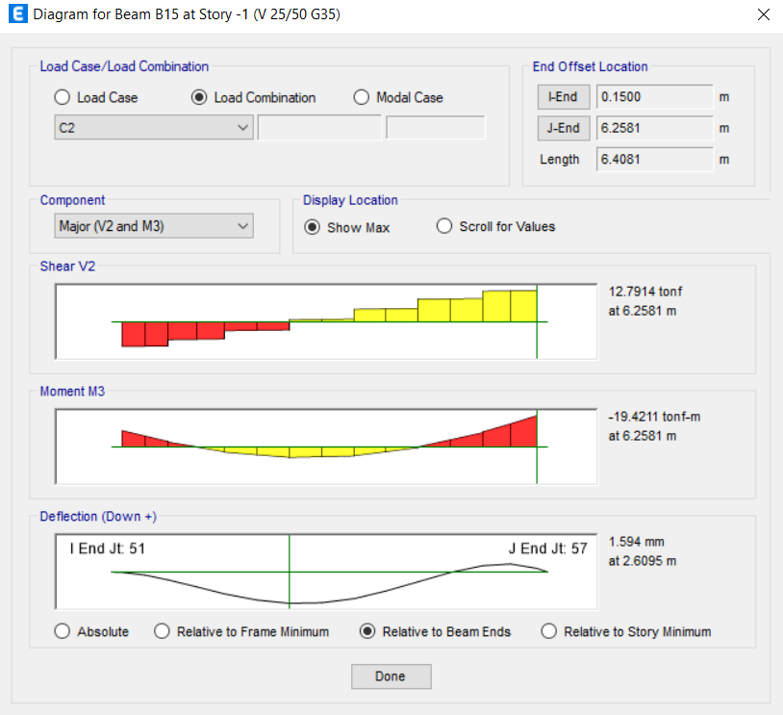
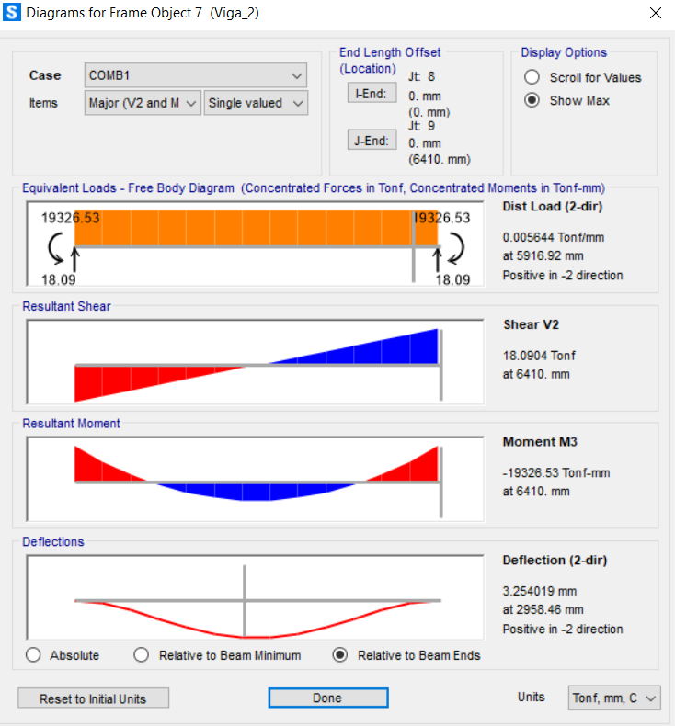
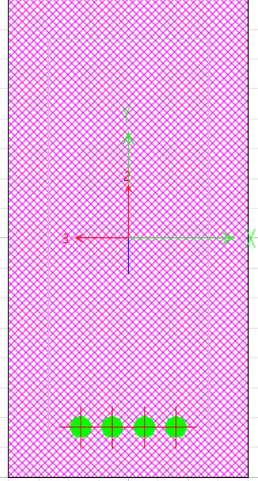
 |  |  |  |  |  |  |  |  |  |  | 0 | 0.0126 | 46037 | 0.49 | 0
 |  |  |  |  |  |  |  |  |  |  | 0 | 0.0068 | 46037 | 0.83 | 0
 |  |  |  |  |  |  |  |  |  |  | 0 | 0.0063 | 46068 | 0 | 0
 |  |  |  |  |  |  |  |  |  |  | 0 | 0.0027 | 46068 | 0.415 | 0
 |  |  |  |  |  |  |  |  |  |  | 0 | 0.0032 | 46068 | 0.83 | 0
 |  |  |  |  |  |  |  |  |  |  | 0 | 0.0035 | 46096 | 0 | 0
 |  |  |  |  |  |  |  |  |  |  | 0 | 0.0059 | 46096 | 0.4748 | 0
 |  |  |  |  |  |  |  |  |  |  | 0 | 0.0085 | 46096 | 0.9496 | 0
 |  |  |  |  |  |  |  |  |  |  | 0 | 0.0086 | 46127 | 0 | 0
 |  |  |  |  |  |  |  |  |  |  | 0 | 0.009 | 46127 | 0.4748 | 0
 |  |  |  |  |  |  |  |  |  |  | 0 | 0.0094 | 46127 | 0.9496 | 0
 |  |  |  |  |  |  |  |  |  |  | 0 | 0.0094 | 46157 | 0 | 0
 |  |  |  |  |  |  |  |  |  |  | 0 | 0.0078 | 46157 | 0.4748 | 0
 |  |  |  |  |  |  |  |  |  |  | 0 | 0.0062 | 46157 | 0.9496 | 0
 |  |  |  |  |  |  |  |  |  |  | 0 | 0.006 | 46188 | 0 | 0
 |  |  |  |  |  |  |  |  |  |  | 0 | 0.0031 | 46188 | 0.4748 | 0
 |  |  |  |  |  |  |  |  |  |  | 0 | 0.0024 | 46188 | 0.9496 | 0
 |  |  |  |  |  |  |  |  |  |  | 0 | 0.0025 | 46218 | 0 | 0
 |  |  |  |  |  |  |  |  |  |  | 0 | 0.0067 | 46218 | 0.3998 | 0
 |  |  |  |  |  |  |  |  |  |  | 0 | 0.0115 | 46218 | 0.7996 | 0
 |  |  |  |  |  |  |  |  |  |  | 0 | -5.3454 | 46037 | 0.15 | 0
 |  |  |  |  |  |  |  |  |  |  | 0 | -3.5265 | 46037 | 0.49 | 0
 |  |  |  |  |  |  |  |  |  |  | 0 | -1.7583 | 46037 | 0.83 | 0
 |  |  |  |  |  |  |  |  |  |  | 0 | -1.5618 | 46068 | 0 | 0
 |  |  |  |  |  |  |  |  |  |  | 0 | 0.0106 | 46068 | 0.415 | 0
 |  |  |  |  |  |  |  |  |  |  | 0 | 1.5075 | 46068 | 0.83 | 0
 |  |  |  |  |  |  |  |  |  |  | 0 | 1.6191 | 46096 | 0 | 0
 |  |  |  |  |  |  |  |  |  |  | 0 | 2.4974 | 46096 | 0.4748 | 0
 |  |  |  |  |  |  |  |  |  |  | 0 | 3.277 | 46096 | 0.9496 | 0
 |  |  |  |  |  |  |  |  |  |  | 0 | 3.3001 | 46127 | 0 | 0
 |  |  |  |  |  |  |  |  |  |  | 0 | 3.1145 | 46127 | 0.4748 | 0
 |  |  |  |  |  |  |  |  |  |  | 0 | 2.8303 | 46127 | 0.9496 | 0
 |  |  |  |  |  |  |  |  |  |  | 0 | 2.7704 | 46157 | 0 | 0
 |  |  |  |  |  |  |  |  |  |  | 0 | 1.5162 | 46157 | 0.4748 | 0
 |  |  |  |  |  |  |  |  |  |  | 0 | 0.1634 | 46157 | 0.9496 | 0
 |  |  |  |  |  |  |  |  |  |  | 0 | 0.0211 | 46188 | 0 | 0
 |  |  |  |  |  |  |  |  |  |  | 0 | -2.2519 | 46188 | 0.4748 | 0
 |  |  |  |  |  |  |  |  |  |  | 0 | -4.6236 | 46188 | 0.9496 | 0
 |  |  |  |  |  |  |  |  |  |  | 0 | -4.8498 | 46218 | 0 | 0
 |  |  |  |  |  |  |  |  |  |  | 0 | -7.4998 | 46218 | 0.3998 | 0
 |  |  |  |  |  |  |  |  |  |  | 0 | -10.2199 | 46218 | 0.7996 | 0
 |  |  |  |  |  |  |  |  |  |  | 0 | -10.0791 | 46037 | 0.15 | 0
 |  |  |  |  |  |  |  |  |  |  | 0 | -6.7036 | 46037 | 0.49 | 0
 |  |  |  |  |  |  |  |  |  |  | 0 | -3.3714 | 46037 | 0.83 | 0
 |  |  |  |  |  |  |  |  |  |  | 0 | -2.9997 | 46068 | 0 | 0
 |  |  |  |  |  |  |  |  |  |  | 0 | -0.0401 | 46068 | 0.415 | 0
 |  |  |  |  |  |  |  |  |  |  | 0 | 2.8549 | 46068 | 0.83 | 0
 |  |  |  |  |  |  |  |  |  |  | 0 | 3.0693 | 46096 | 0 | 0
 |  |  |  |  |  |  |  |  |  |  | 0 | 4.7116 | 46096 | 0.4748 | 0
 |  |  |  |  |  |  |  |  |  |  | 0 | 6.2694 | 46096 | 0.9496 | 0
...

B16
...
M2 | M3 | Element | Elem Station | Location
0 | 0.0216 | 46158 | 0.4679 | 0
0 | 0.032 | 46158 | 0.9357 | 0
0 | 0.0329 | 46189 | 0 | 0
0 | 0.043 | 46189 | 0.4679 | 0
0 | 0.0531 | 46189 | 0.9357 | 0
0 | 0.0539 | 46219 | 0 | 0
0 | 0.0628 | 46219 | 0.4679 | 0 | Cumple con la normativa
0 | 0.0717 | 46219 | 0.9357 | 0
0 | 0.0721 | 46250 | 0 | 0
0 | 0.0755 | 46250 | 0.4679 | 0
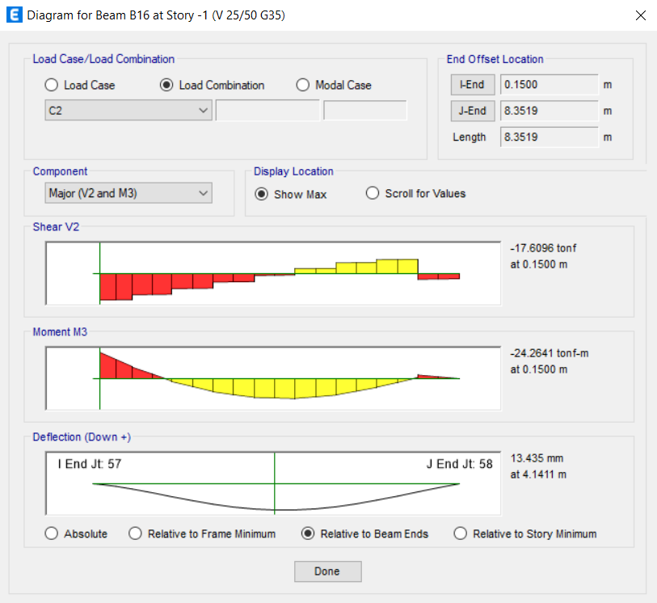
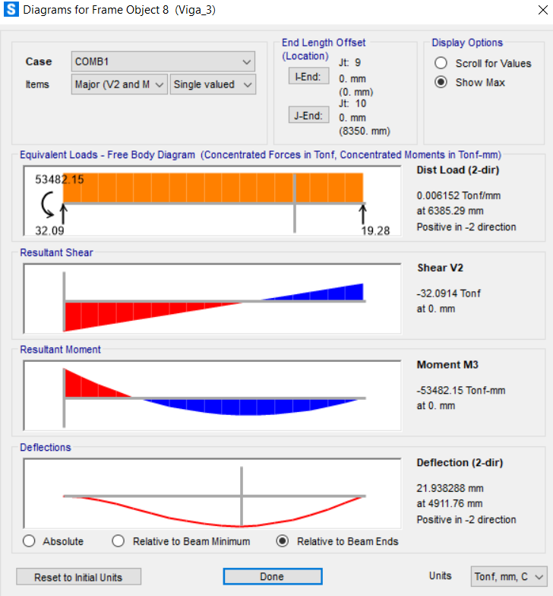
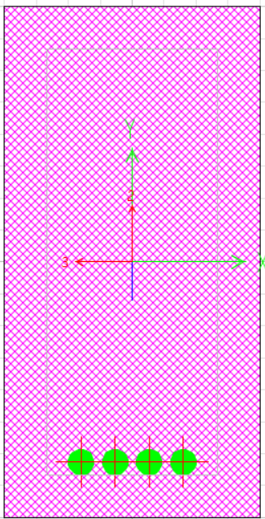
0 | 0.0789 | 46250 | 0.9357 | 0
0 | 0.0933 | 46281 | 0 | 0
0 | 0.0467 | 46281 | 0.4679 | 0
0 | 0 | 46281 | 0.9357 | 0
0 | 0.0171 | 46038 | 0.15 | 0
0 | 0.0128 | 46038 | 0.5255 | 0
0 | 0.0085 | 46038 | 0.9009 | 0
0 | 0.0081 | 46069 | 0 | 0
0 | 0.0047 | 46069 | 0.4505 | 0
0 | 0.002 | 46069 | 0.9009 | 0
0 | 0.0019 | 46097 | 0 | 0
0 | 0.0021 | 46097 | 0.4679 | 0
0 | 0.0037 | 46097 | 0.9357 | 0
0 | 0.0038 | 46128 | 0 | 0
0 | 0.0044 | 46128 | 0.4679 | 0
0 | 0.0052 | 46128 | 0.9357 | 0
0 | 0.0052 | 46158 | 0 | 0
0 | 0.0052 | 46158 | 0.4679 | 0
0 | 0.0052 | 46158 | 0.9357 | 0
0 | 0.0052 | 46189 | 0 | 0
0 | 0.0049 | 46189 | 0.4679 | 0
0 | 0.0047 | 46189 | 0.9357 | 0
0 | 0.0047 | 46219 | 0 | 0
0 | 0.0045 | 46219 | 0.4679 | 0
0 | 0.0045 | 46219 | 0.9357 | 0
0 | 0.0044 | 46250 | 0 | 0
0 | 0.0044 | 46250 | 0.4679 | 0
0 | 0.0044 | 46250 | 0.9357 | 0
0 | 0.0052 | 46281 | 0 | 0
0 | 0.0026 | 46281 | 0.4679 | 0
0 | 0 | 46281 | 0.9357 | 0
0 | -12.7355 | 46038 | 0.15 | 0
0 | -9.2408 | 46038 | 0.5255 | 0
0 | -5.8078 | 46038 | 0.9009 | 0
0 | -5.4648 | 46069 | 0 | 0
0 | -2.1554 | 46069 | 0.4505 | 0
0 | 1.0652 | 46069 | 0.9009 | 0
0 | 1.3141 | 46097 | 0 | 0
0 | 3.7435 | 46097 | 0.4679 | 0
0 | 6.0771 | 46097 | 0.9357 | 0
0 | 6.233 | 46128 | 0 | 0
0 | 7.5963 | 46128 | 0.4679 | 0
0 | 8.8638 | 46128 | 0.9357 | 0
0 | 8.93 | 46158 | 0 | 0
0 | 9.22 | 46158 | 0.4679 | 0
0 | 9.4141 | 46158 | 0.9357 | 0
0 | 9.3912 | 46189 | 0 | 0
0 | 8.6297 | 46189 | 0.4679 | 0
0 | 7.7725 | 46189 | 0.9357 | 0
0 | 7.6671 | 46219 | 0 | 0
...

Verificaciónde deformaciones
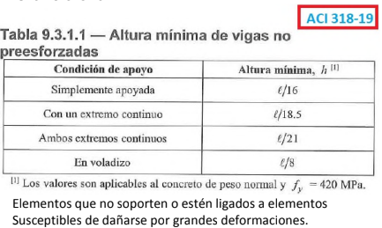
Geometría del perfil |  |  | Verificación de altura mínima
h | 0.5 | m
b | 0.25 | m
rec | 5 | cm
d | 0.45 | m

Características
L1 | 5.49 | m
L2 | 5.95 | m
L3 | 6.41 | m | Nos ponemos en cada caso
L4 | 8.35 | m | L1 (con un ext cont) | 0.29675675676 | Bien
f'c | 35 | Mpa | L2 (ambos ext cont) | 0.28333333333 | Bien
E | 27.805574981 | Gpa | L3 (ambos ext cont) | 0.30523809524 | Bien
f'c | 3433.5 | tonf/m^2 | L4 (con un ext cont) | 0.45135135135 | Bien
E | 2797985.5879 | tonf/m^2
I | 0.0026041666667 | m^4
fy | 420 | MPa
fy | 41202 | tonf/m^2
E_s | 200 | GPa
...

Cagas tributarias
...
PP [kgf] | SC [kgf] | PP | SC | Peso hormigón | 2500 | [kgf/m^3]
18582.00 | 19560 | 950 | 1000
...



